Compliance
 | LabWare LIMS Compliance Brief to ASTM 1578

S.no | Ref. NO | Requirements | Vendor Response | Comments

 |  | 6 Laboratory Informatics Workflow and Sample Life Cycle
1 | 6 | The laboratory informatics workflow model provides a generic representation of the process flow in a typical analytical laboratory | Comply | Labware LIMS has In build Visual Workflow Designer which is used to design workflow pages for each user /role according to business process. The screen shot represents the workflow for a Lab Manager with full Sample Life Cycle | 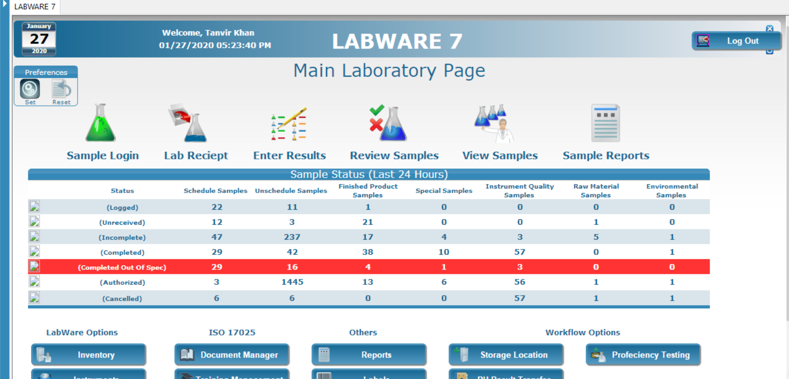 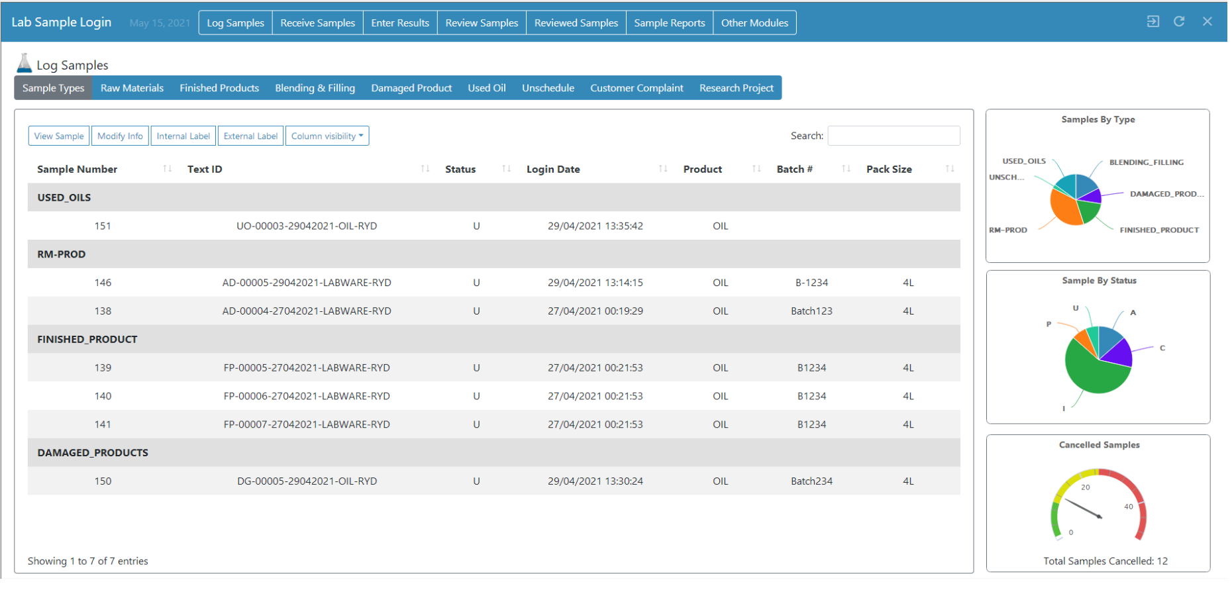
2 | 6.2 | Laboratory Informatics Data Model | Comply | Labware LIMS has its own Data Model including Plant, Process unit, Sampling point, Product, Product Grade, Product Specifications, Analysis, Test Methods, etc. Each test method or analysis are linked with one or multiple SOPs which are accessible to all the users based on business process
3 | 6.2.1 | Types of Data | Comply | Standard functionality of LabWare LIMS which allows storage of Static as well as Dynamic data. Static data includes Analysis, Calculations, Users, Test methods, Products, Product Specs, Sampling Points, etc. Dynamic data includes Sample, Test and Result | 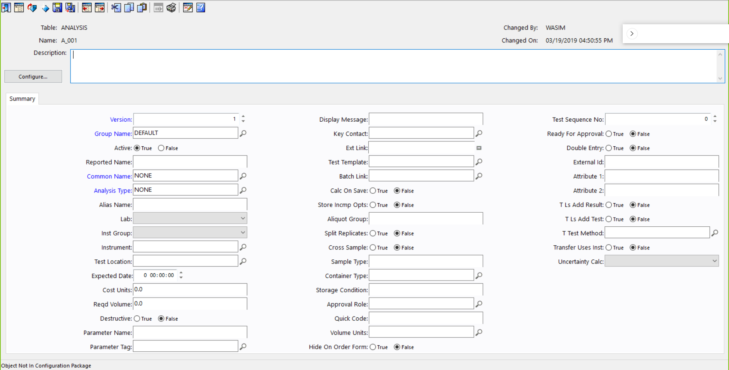
4 | 6.2.2 | Statuses | Comply | Standard Labware LIMS functionality of having different statuses for sample, test and result. Configurable based on customer requirement. Please refer the diagram for more details | 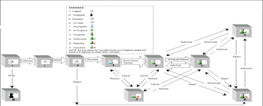
5 | 6.2.3 | Data Load and Migration | Comply | Standard Labware LIMS functiona; has a Database Migration Tool (DBMT) to load and migrate data to and fro from other systems/database. All industry standard databases types are supported. | 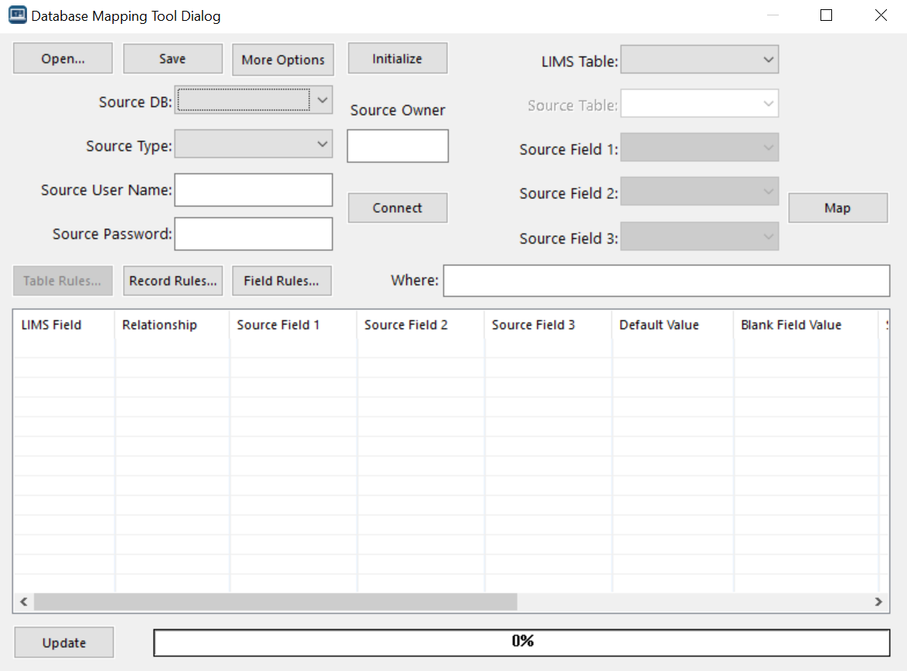
6 | 6.3 | Sample Management and Life Cycle | Comply | Standard LabWare LIMS functionality, provides complete sample management of sample and life cycle. Please refer the below architecture for statuses with respect to sample, test and result
7 | 6.3.1 | Sample Registration | Comply | In labware LIMS Sample Registration is called as Sample Login . Sample Login/Registration is done in two ways as below : 1- Manual 2- Auto (using Scheduler) | 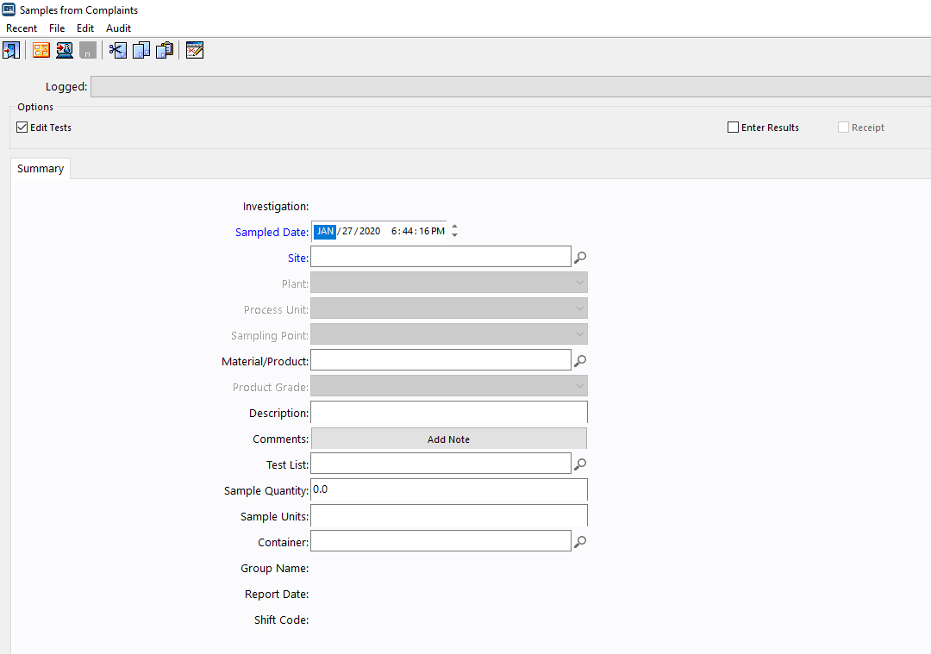
8 | 6.3.1.1 | Store/Retrieve Sample | Comply | Labware LIMS has a module called storage location manager which is used to store and track the stored sample. Storing and retrieval of samples can be auto and manual.
9 | 6.3.2 | Sample Identification | Comply | Each sample in Labware LIMS is identified based on unique sample number along with the Label (Text) ID. The identification is configurable based on customer needs. | 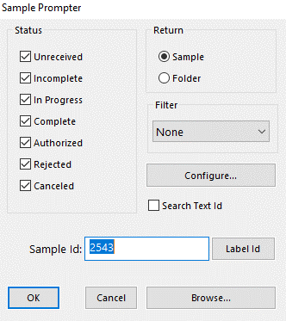
10 | 6.3.2.1 | A confirmation report is often issued (sometimes emailed) to assure requestors that the system accepted the sample request and may accompany the physical samples as they are delivered to the testing laboratory | Comply | Standard function of Labware LIMS. The port for sending Email from LIMS along with the attachments to be opened by IT. User will use the Sample Request funcitonality to request samples
11 | 6.3.3 | Sample Collection | Comply | The collection date is entered manually by the users upon logging/ registering manual samples. The collection date is automatically captured by the system for auto sample login/registering | 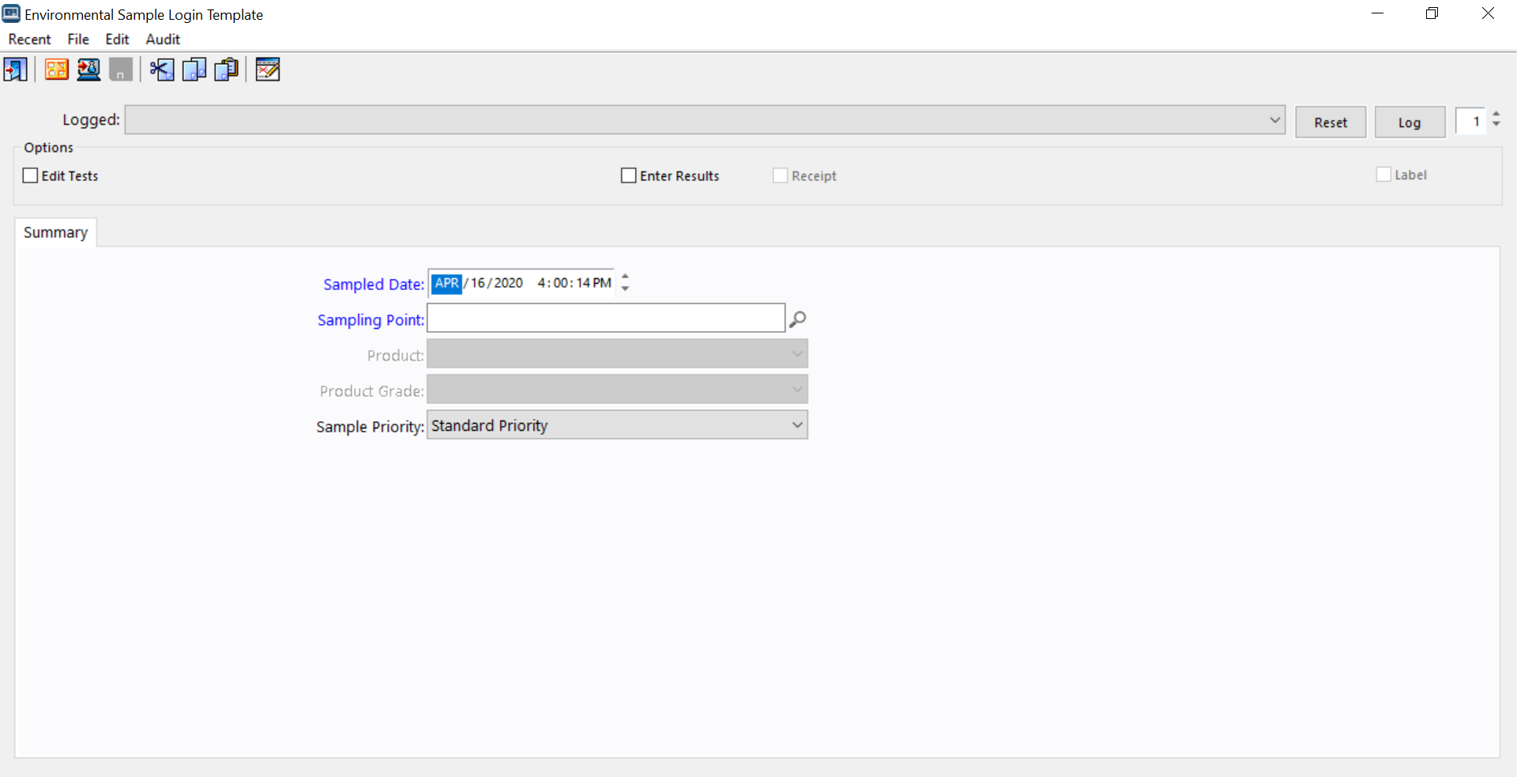
12 | 6.3.4 | Sample Receipt | Comply | Labware LIMS standard system has the ability to automatically receive the sample once logged/registered. Manual receiving of the sample is also a standard feature of Labware LIMS. While receiving a sample system capture all the information in the audit table, which can be used for audit purpose. A sample receipt report can also be printed from the system. | 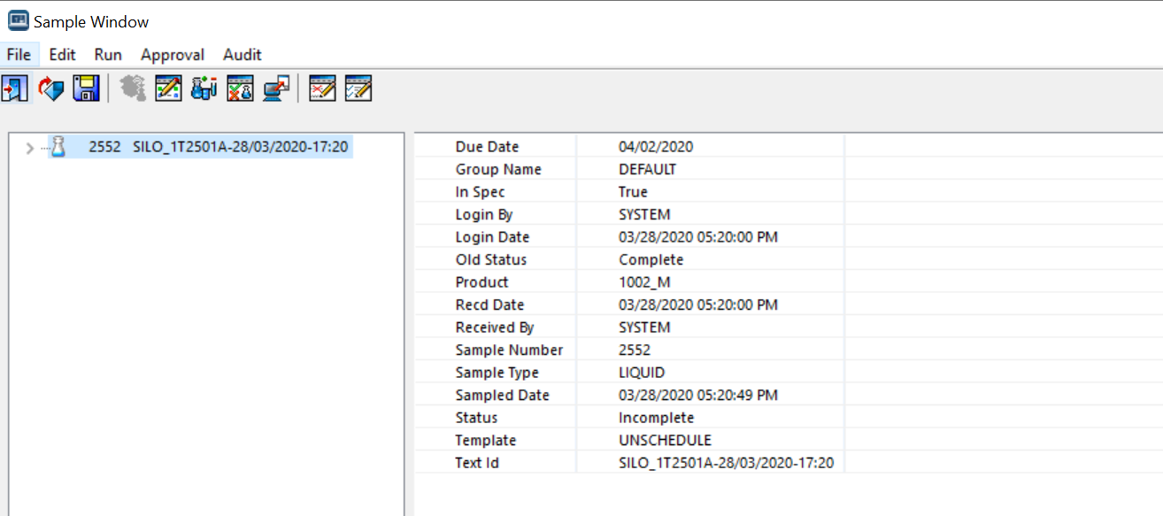
13 | 6.3.4.1 | The laboratory informatics solution may be configured to specify the aliquot requirements for a sample based on the tests to be performed on it. Upon sample receipt, any issues, such as an unexpected color or physical state, may be noted and recorded within the sample record. The laboratory informatics solution should be flexible enough to allow preliminary sample treatment, such as addition of a preservative, to be performed and documented. | Comply | Aliquoting for sample or test is a standard feature of labware LIMS which is easily configurable and extendable based on customer requirement. Standard sample inspection functionality can be used. Samples are inspected before receiving in the lab. | 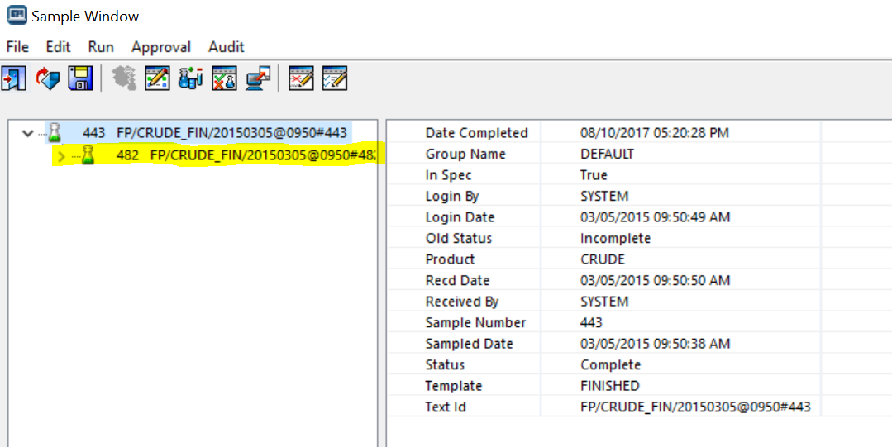
14 | 6.3.5 | Sample Distribution | Comply | Standard feature of Labware LIMS. The distribution can be based on the volume or quantity within the Lab or outside the lab areas. | 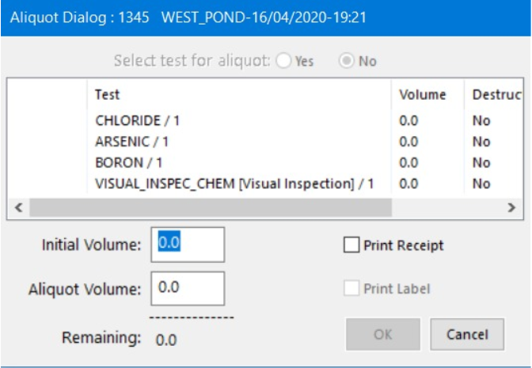
15 | 6.3.5.1 | The laboratory informatics solution should provide a listing of all the tests that shall be performed, the amount of material required, and where samples are to be sent. The date and time of sample distribution is important since it designates when the sample becomes available to the various laboratory workstations for analysis. Sample status may be updated to indicate samples are available for analysis at this time as well | Comply | Standard feature of Labware LIMS which is easily configurable and extendable based on customer requirement
16 | 6.3.6 | Work Assignment | Comply | Standard feature of Labware LIMS. The work assignment can be based on individual users, lab areas, group of users, etc. | 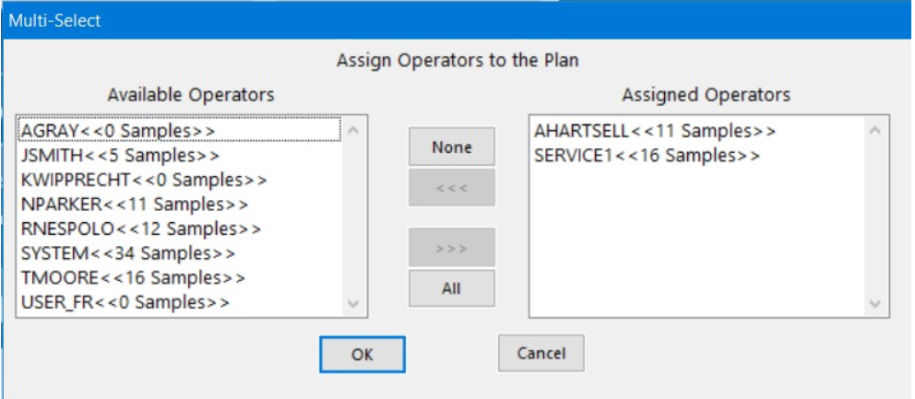
17 | 6.3.7 | Disposal of Samples | Comply | Standard feature of Labware LIMS. Disposal of samples can be manual or automatic based on customer requirement. Reports can be generated from the system to show list of samples to be disposed and already disposed. | 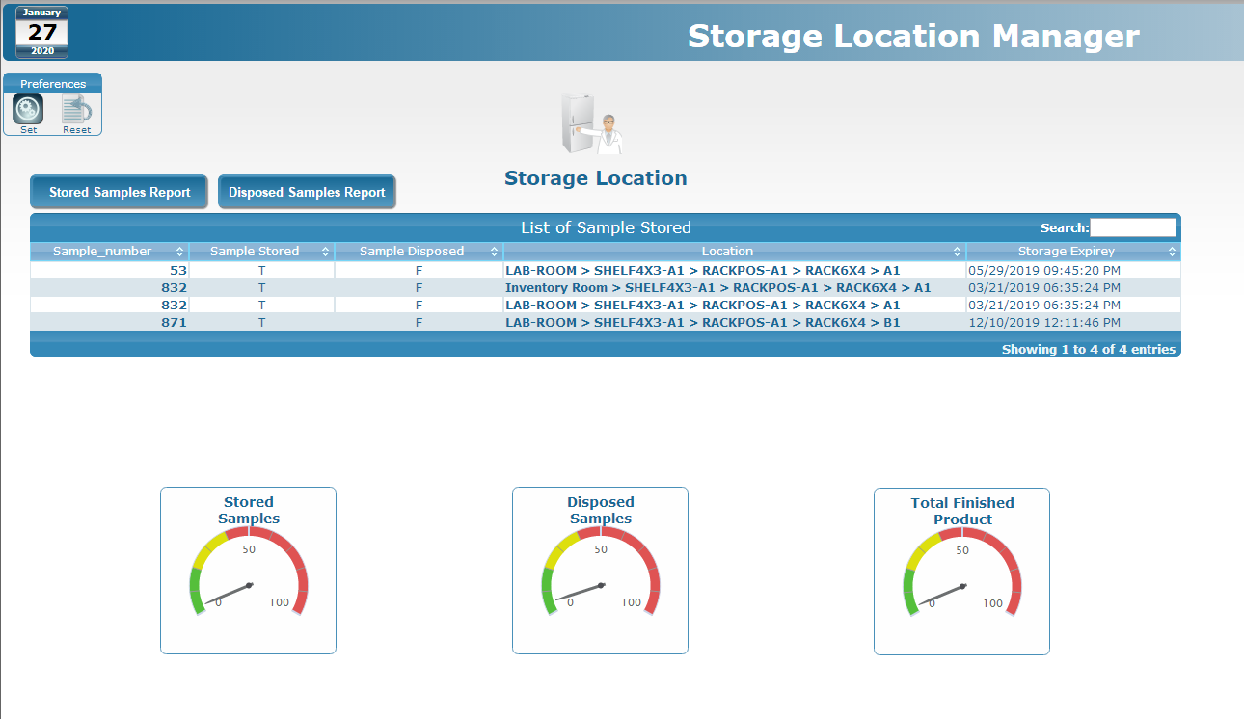
 |  | 6.4 Analysis:
18 | 6.4.1 | Sample Preparation | Comply | Standard feature of Labware LIMS | 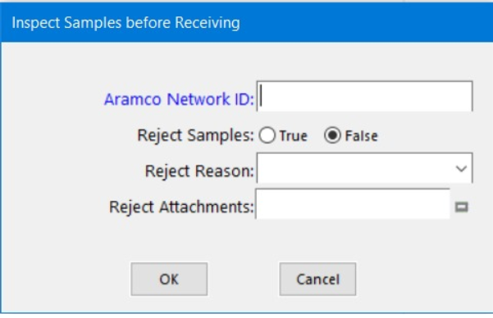
19 | 6.4.2 | Sample Analysis | Comply | Standard feature of Labware LIMS | 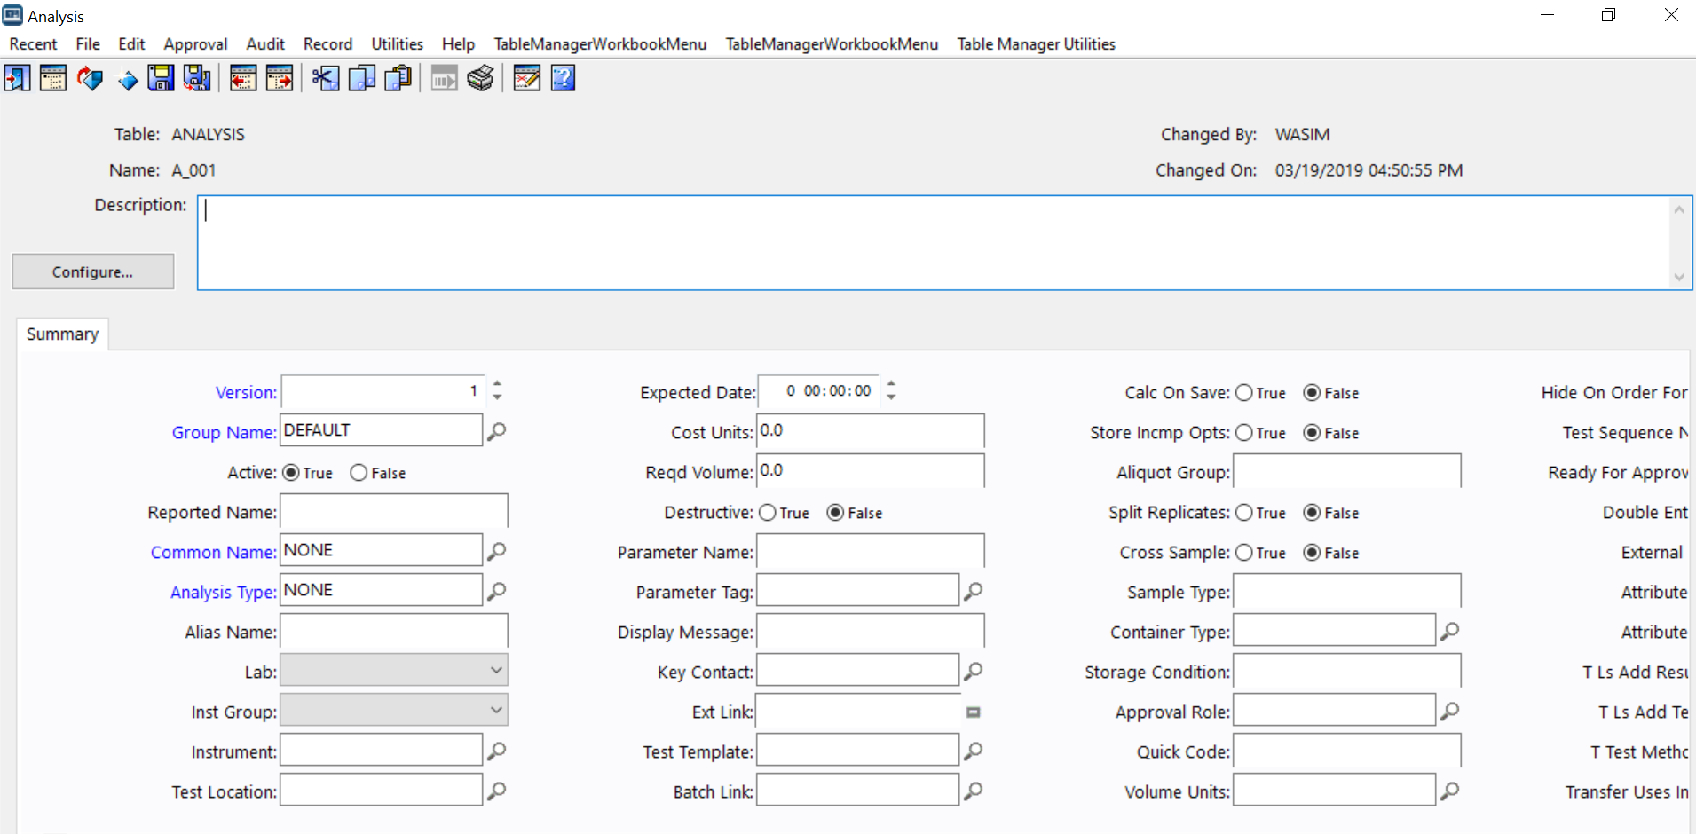
20 | 6.4.3 | Perform Test | Comply | Standard feature of Labware LIMS | 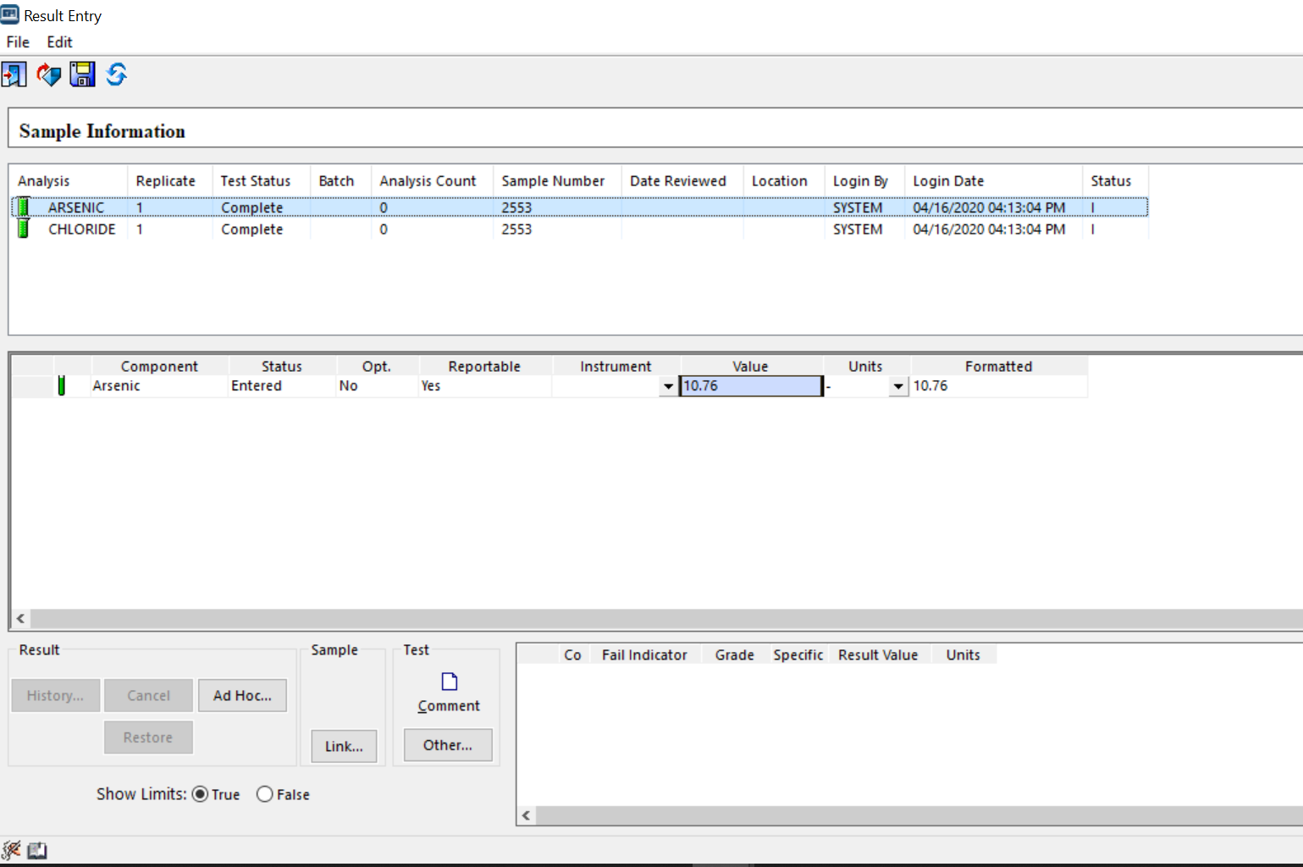
21 | 6.4.3.1 | Re-Test Loop | Comply | Standard feature of Labware LIMS | 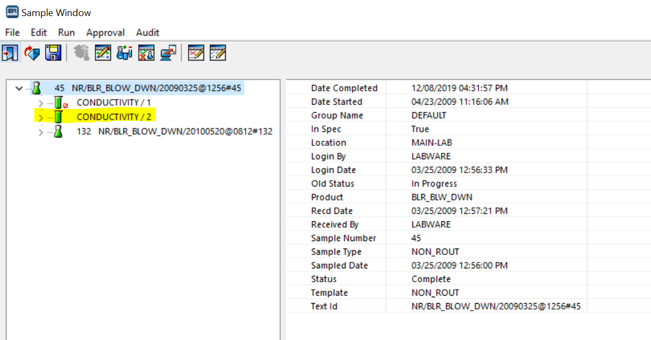
22 | 6.4.3.2 | Re-Sample Loop | Comply | Standard feature of Labware LIMS | 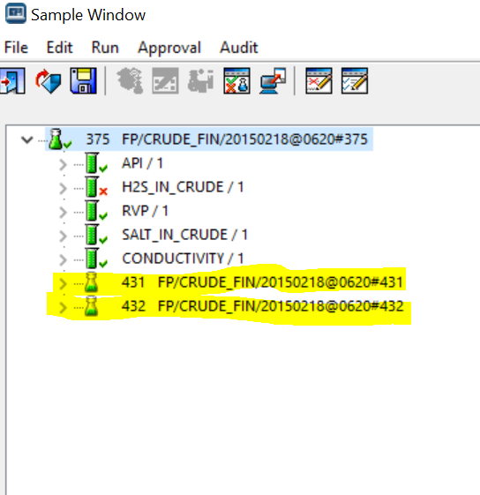
23 | 6.4.4 | Data Capture | Comply | Standard feature of Labware LIMS
24 | 6.4.4.1 | Direct instrument integration with the laboratory informatics solution is critical to fully realizing the business benefits of the solution. In cases in which instruments are bidirectionally interfaced to laboratory informatics solutions, the sequence of unknown samples and control standards may be transferred to the instrument to streamline instrument setup before analysis. The sequence should include information such as sample ID, analyst ID, analysis date/time, and/or other pertinent information. | Comply | Labware LIMS has a module called Lab Station which is used to integrate any serial or PC driven instrument. | 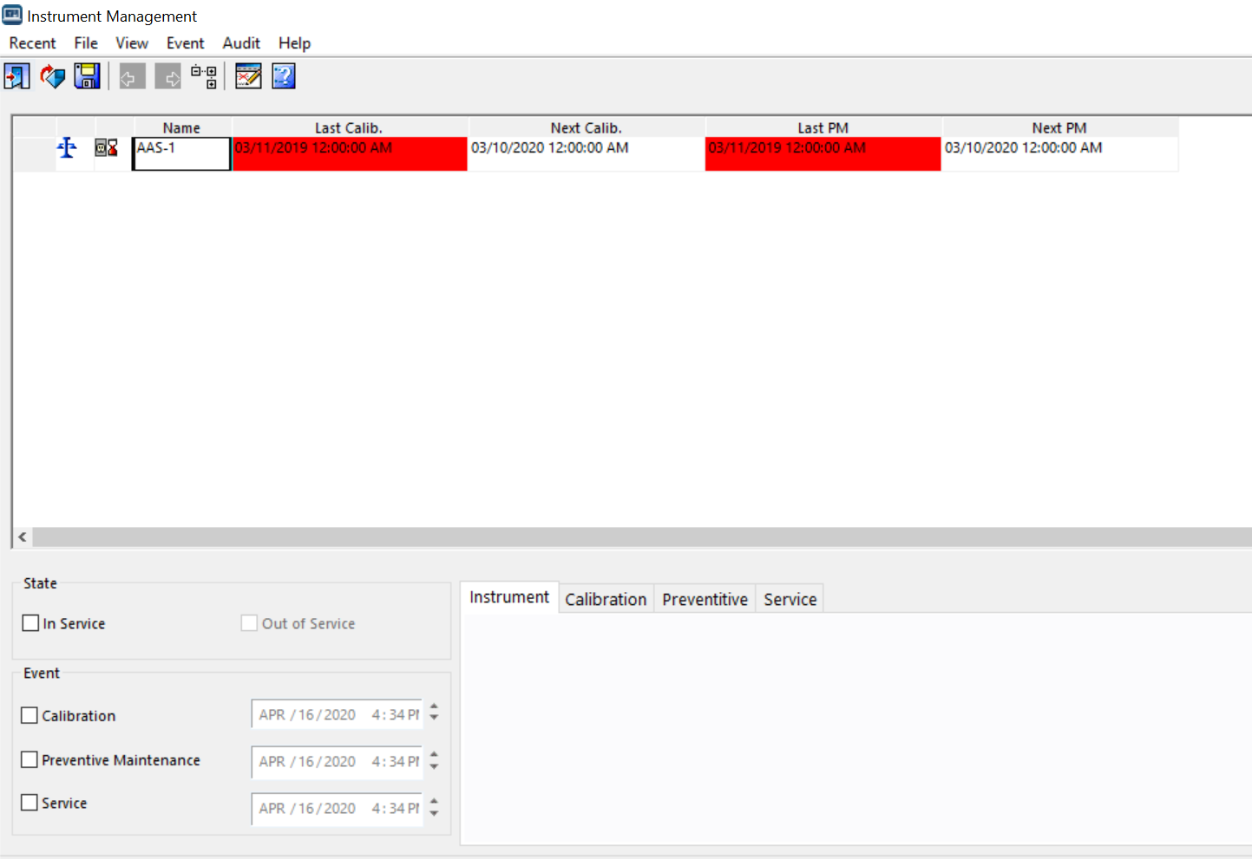
 |  | 6.5 Analysis Review:
25 | 6.5.1 | Test Result Review and Interpretation | Comply | Standard Test lifecycle for reviewing of tests is available in LIMS system. The same can be configurable and extendable based on customer requirement | 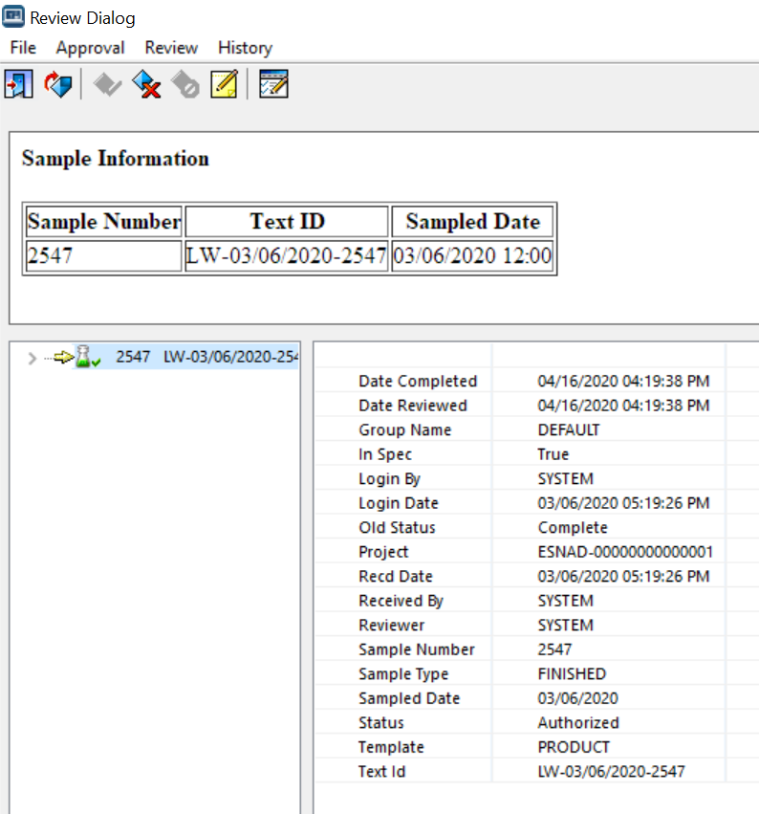
26 |  | It must be possible to export a data file to a pre-defined file location. Either locally in the PC or in a networked share file folder. | Comply | Standard feature of Labware LIMS. for sharing the file on network IT needs to grant permissions to the LIMS system | 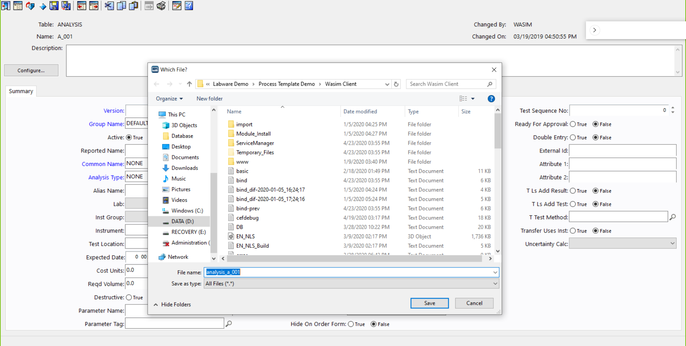
27 | 6.5.1.1 | To help in this process, the laboratory informatics solution may indicate the unusual or out-of-range results as flagged for further evaluation. If normal values are known for the substance being tested, they can be displayed. Results outside of normal can be highlighted or displayed separately for closer review | Comply | Standard feature of Labware LIMS. Labware LIMS uses color codes and flags to identify any sample and test which are outside of the normal range. Out of Specs samples can be grouped together for a higher management review. | 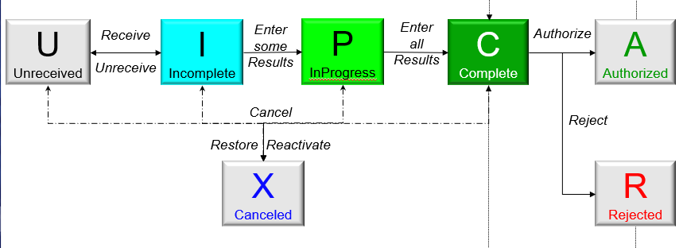
 |  | 6.6 Sample Disposition
28 | 6.6.1 | A laboratory generally requires that samples undergo a documented review/approval process to disposition the sample to indicate that it has been evaluated against established criteria. The laboratory informatics solution can be configured to document the review/approval process. Since the laboratory exists to generate information for the parent/client organization, the laboratory may organize and configure results to make interpretation and decision-making easier. | Comply | Labware LIMS module for storage location manager and document manager can be used to comply with the requirement | 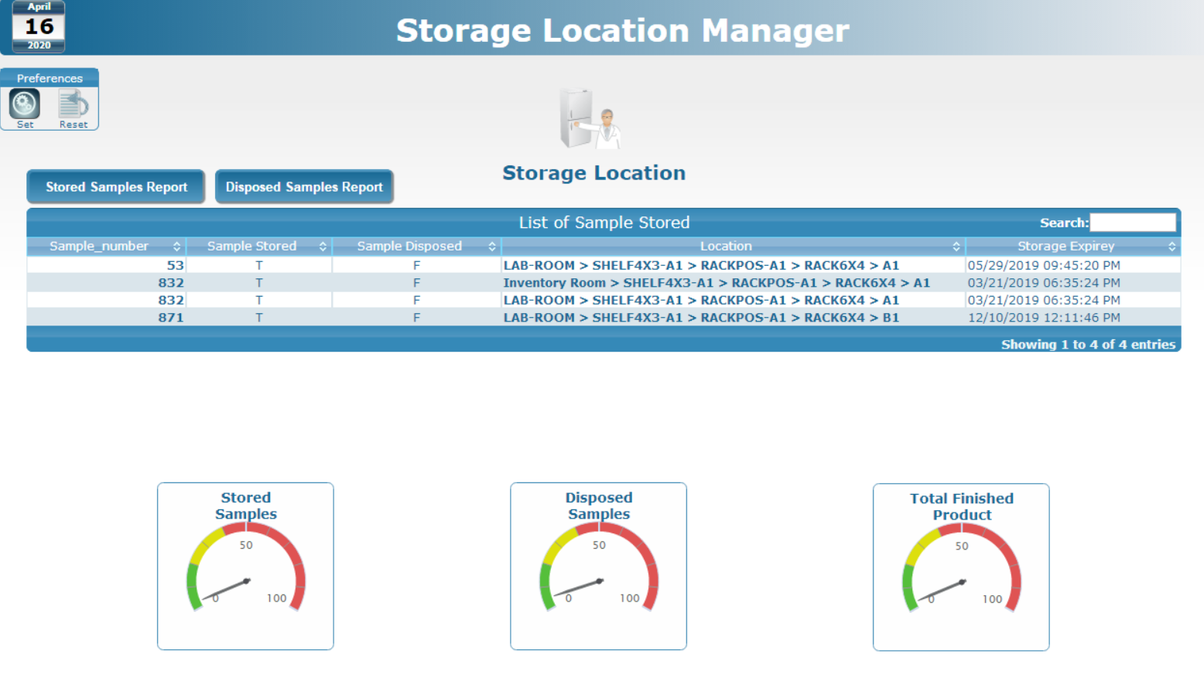
29 | 6.6.2 | The output of the review/approval process is verified data and may be in the form of data reports, Certificates of Analysis (COA), or direct process control actions. Often, the interpretation function coincides with the reporting process. In many laboratory informatics solutions, data are interpreted in a reported format either in electronic or paper forms. | Comply | Once the sample is approved in Labware LIMS; system has the ability to generate COA automatically or send the data/results to other application and much more based on the customer requirement | 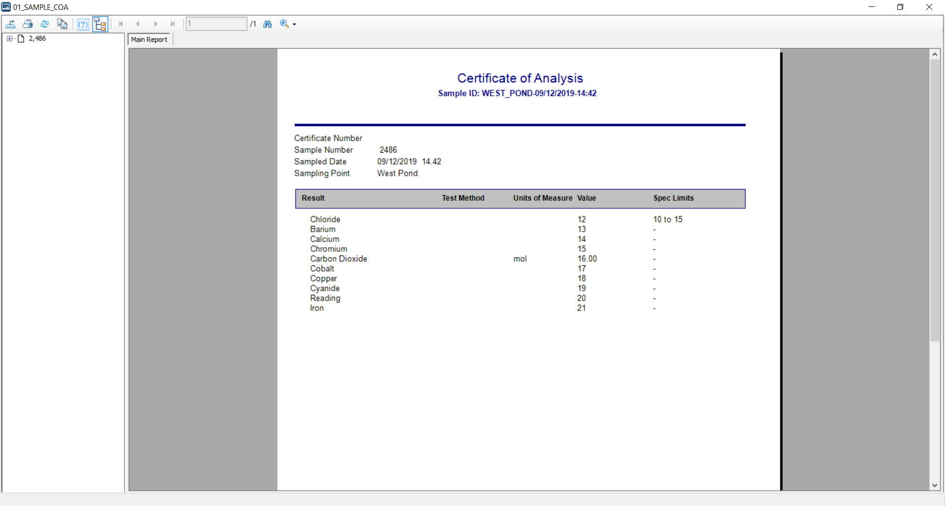
30 | 6.6.3 | Result data itself can undergo a separate evaluation and disposition process from the sample. In some industries and research organizations, the pass/fail status (or approved/ rejected, that is, multiple terminology exists) of an individual result data point is captured, yet the overall sample is approved because the science generating the result value is sound. This is a key element that the implementation team needs to incorporate into the data model design. | Comply | Standard feature of Labware LIMS via Sample Review window | 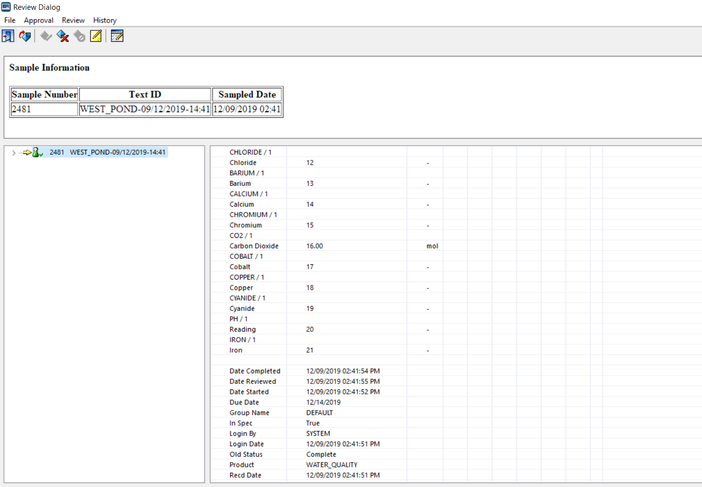
 |  | 6.7 Reporting
31 | 6.7.1 | Following verification, data reported to the customer may include test results (including quality control data), auxiliary data such as sample demographics, and accompanying pass through data and is not “generated” by the laboratory, other data necessary for data evaluation such as sample characteristics such pH or temperature. | Comply | More than 60 standard reports comes as part of Labware LIMS system. New reports can easily be configured using SAP crystal report. Old reports can be easily modifiable based on customer requirement | 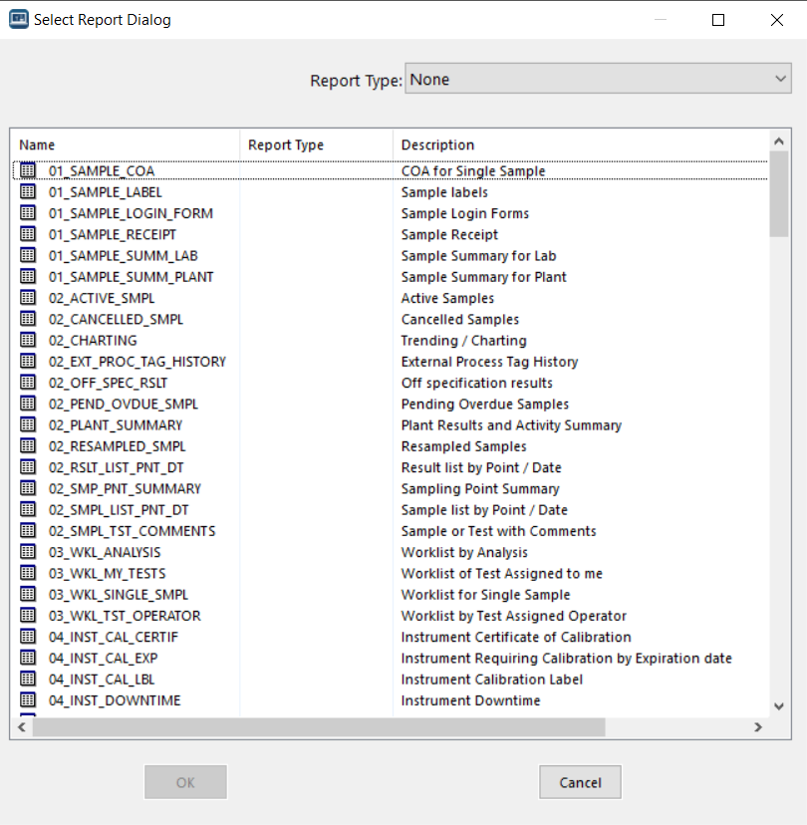 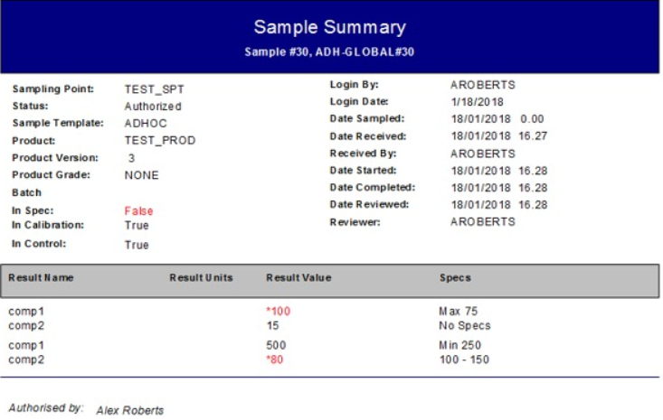 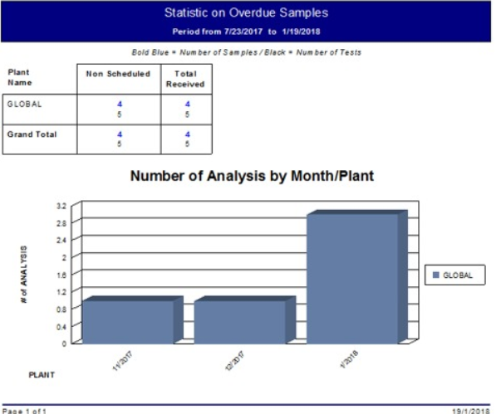 | 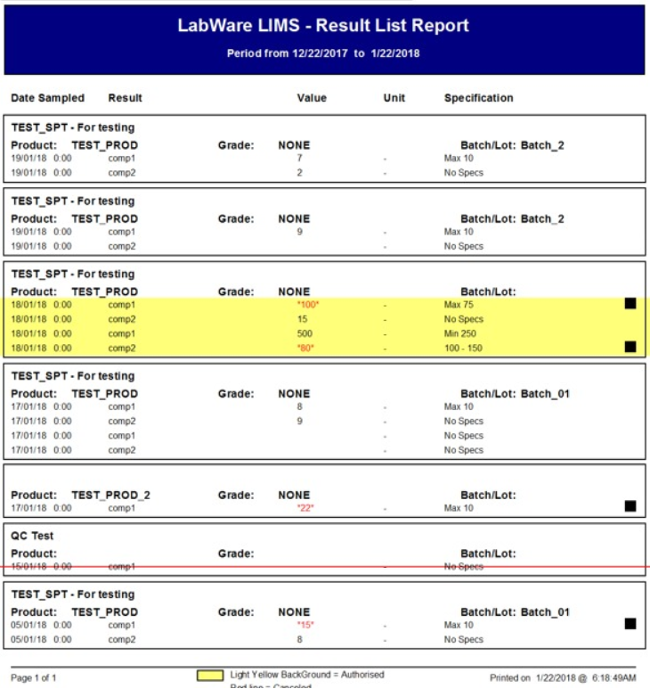
32 | 6.7.2 | Reports can include summaries for internal laboratory use by management. Reports on standard and non-standard samples entering the laboratory can be useful for organizing the laboratory into routine and advanced characterization groups. | Comply | More than 60 standard reports comes as part of Labware LIMS system. New reports can easily be configured using SAP crystal report. Old reports can be easily modifiable based on customer requirement
33 | 6.7.3 | Quality control reports can also be prepared for internal laboratory use. Statistical reports can be generated to evaluate the performance of a given method within the laboratory. Control charts can be generated based on analysis of specific QC samples | Comply | More than 60 standard reports comes as part of Labware LIMS system. New reports can easily be configured using SAP crystal report. Old reports can be easily modifiable based on customer requirement
 |  | 7. Laboratory Informatics Infrastructure, Integration and Interfaces
34 |  | 7.1 Hardware Infrastructure
35 |  | LIMS must have the ability to document the receipt of items. | Comply | Labware has its own standard module named as Document Manager which can be used to store the receipts. | 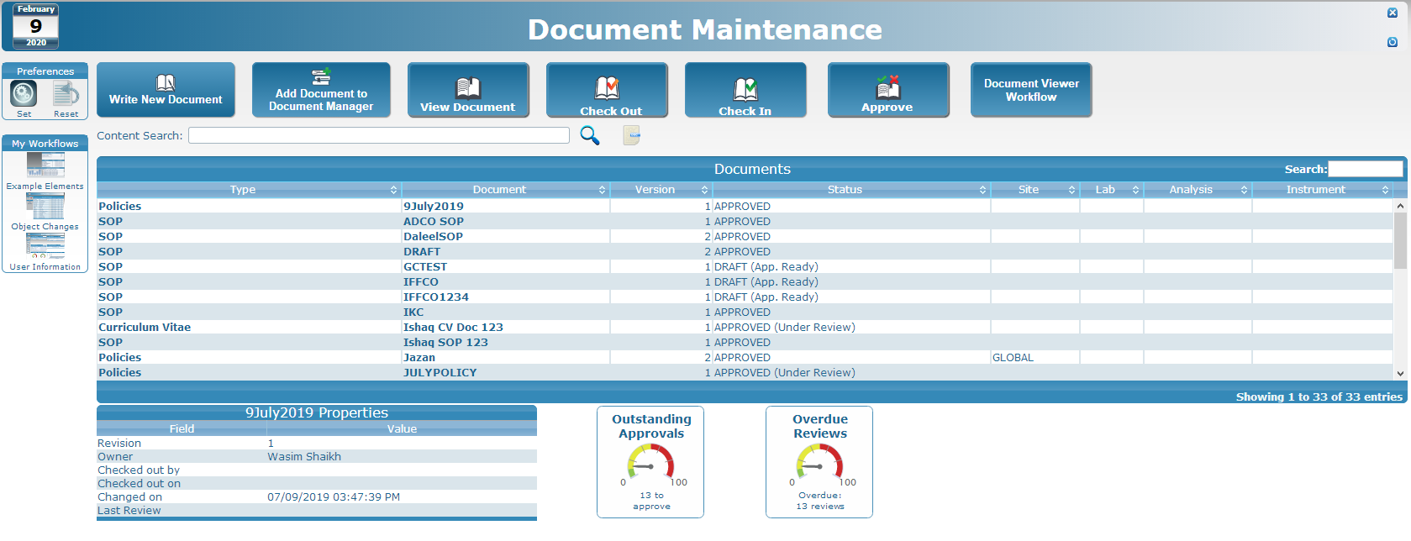
39 | 7.1.2.2 | Number of Records Created per Year: The number of samples, average number of tests per specimen, and the amount of data generated during the testing is important in estimating the system resource requirements. | Comply | Standard functionality of LabWare LIMS named as KPI's and Dashboards. Labware LIMS is capable to customize these KPI's as per customer's requirement. | 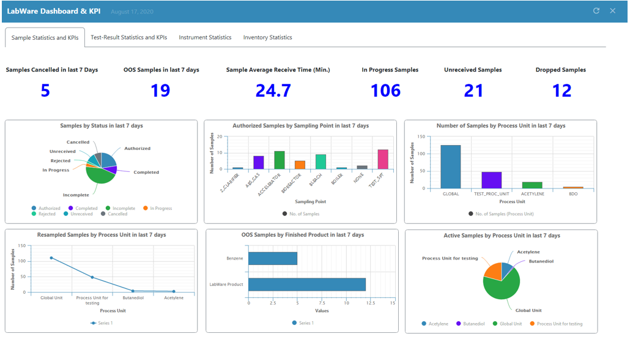 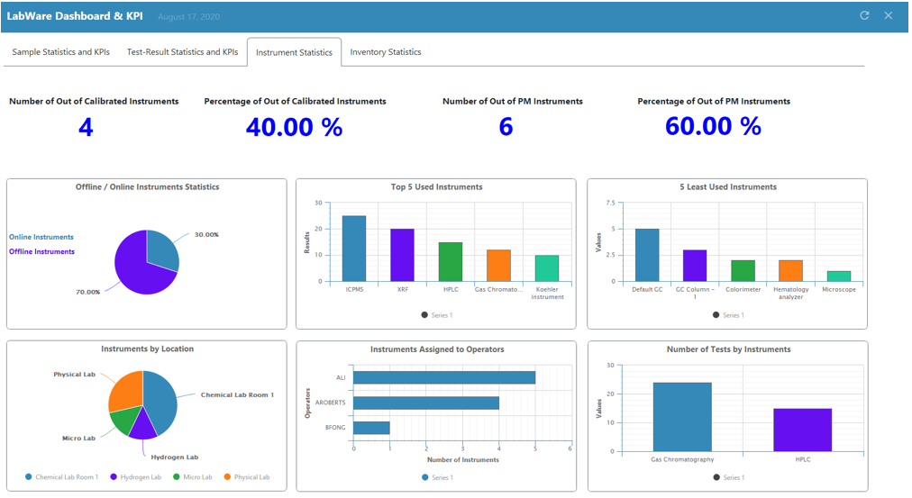
 | 7.1.2.5 | Number and Type of Reports Required: The number of reports to be generated during a work day, the location of the printers and the types for printers [one-dimensional (1-D) or two-dimensional (2-D) barcode label printers/scanners, special paper/label requirements]. | Comply | Standard feature of LabWare LIMS. The reports can be scheduled by report scheduler | 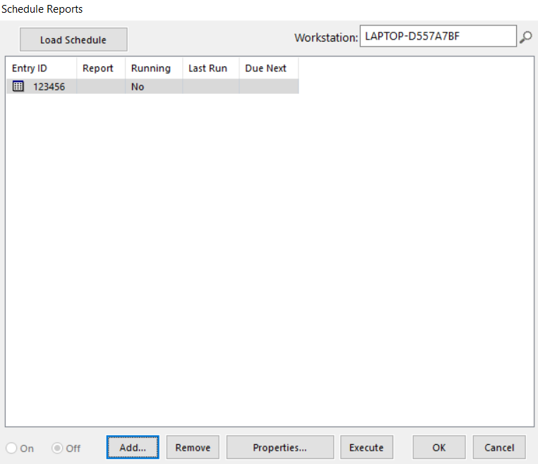
42 | 7.1.2.6 | Instrument Connectivity: The location of the instruments, bandwidth requirements, OS requirements, security issues, separate or shared corporate network should be defined. | out of scope | Labware LIMS can help here by storing the data/results generated by the Instruments. | 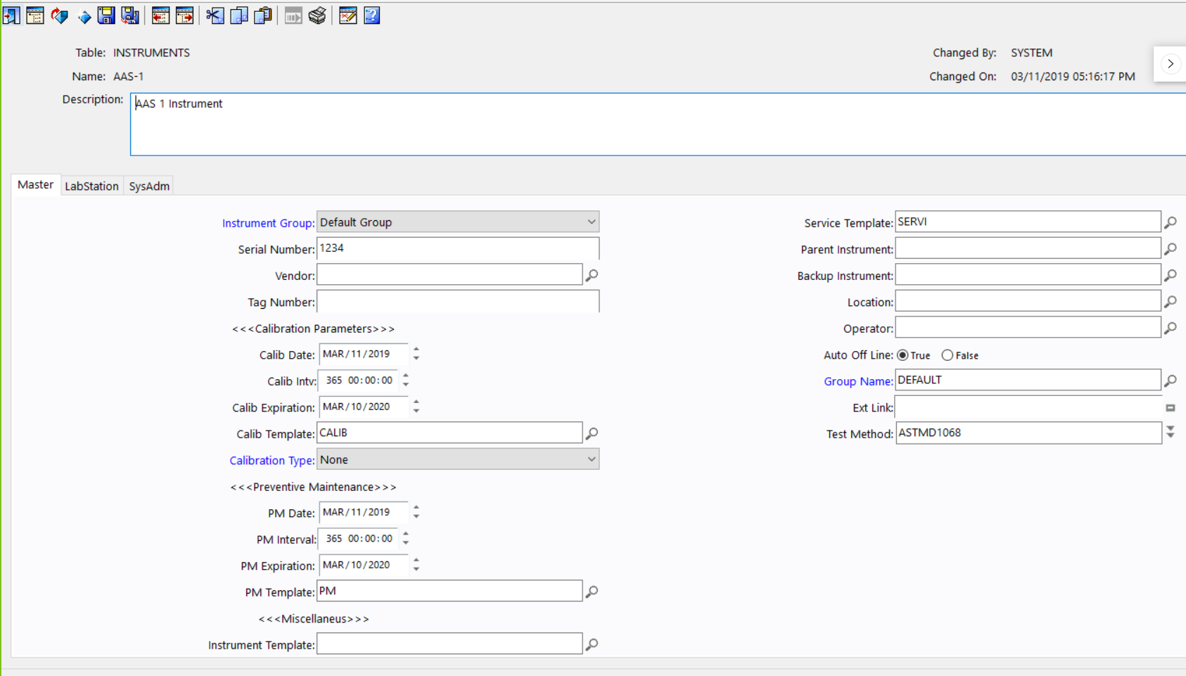
43 | 7.1.2.7 | Network Bandwidth: Latency and network speed can be the limiting factors in overall system performance. | Comply | Labware has its own standard Performance Analyzer template component | 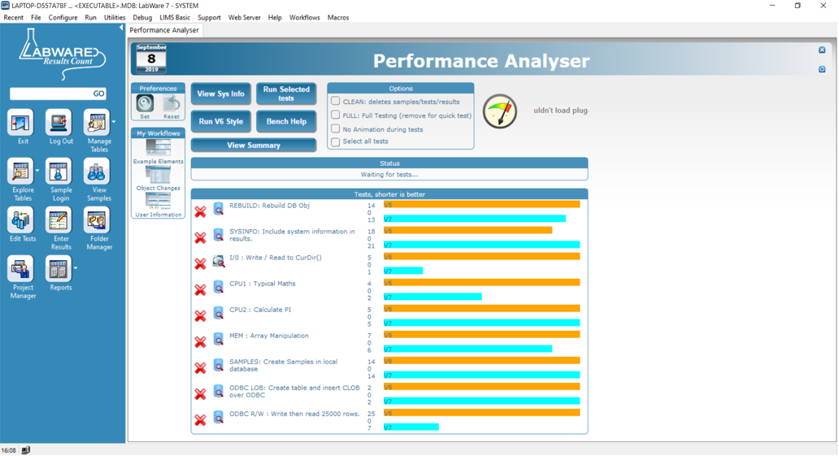
44 | 7.1.2.8 | Application Load Balancing: The software architecture determines how well the laboratory informatics solution can be balanced over multiple processors. The ability to add hardware components (hardware scalability) to meet demands is important. | Comply | In Labware LIMS, using Cluster Manager you can use Load Balancer by joining network load balancing | 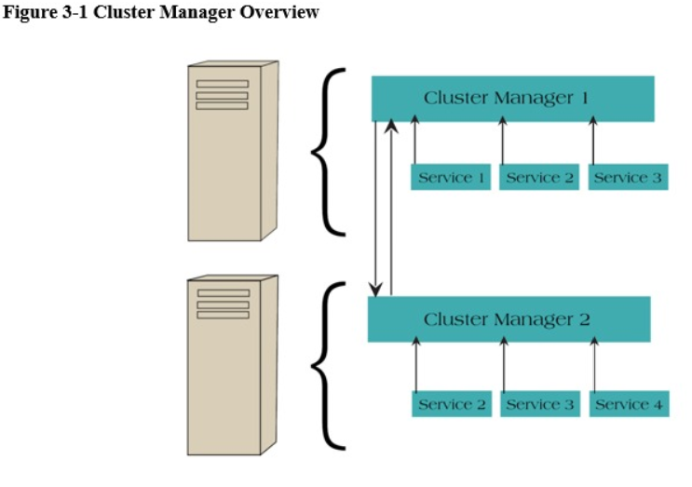
45 | 7.1.2.9 | Network Security: Systems accessible from the public internet need hardware to support the appropriate level of security. Instruments connected to the network shall also meet security requirements | Out of scope for LIMS | Purely hardware infrastructure and network layer requirement.
46 | 7.1.2.10 | Distributed Computing: Global application deployment requires support for computing and connectivity across multiple regions and continents. Systems can use a single or multiple database instances. | Comply | Labware Lims is an enterprise level application which can be accessed through multiple locations with a single centralizled database. | 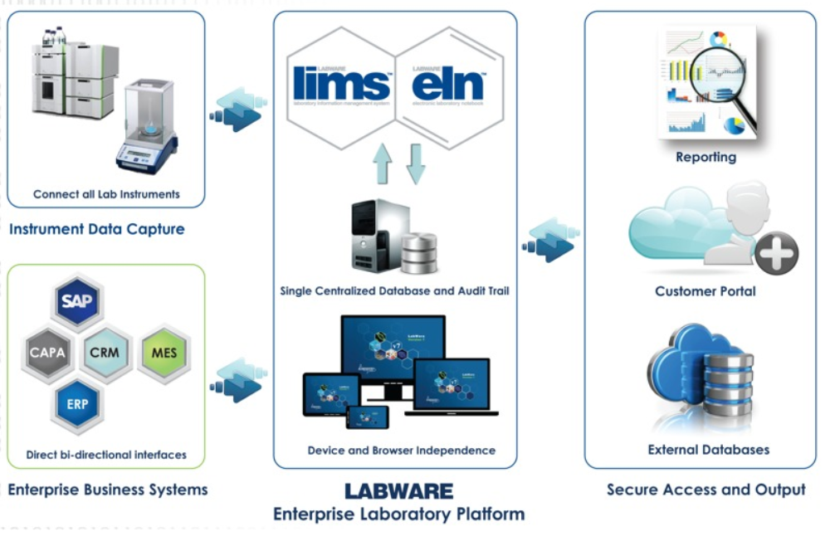
47 | 7.1.2.11 | Resource Needs of Non-Laboratory Informatics Solutions: In a shared computing environment the resource requirements for non-laboratory informatics solutions (business applications, manufacturing applications) are factors in system performance. | Out of scope for LIMS | Network and hardware team need to check the performance of business application integrated with LIMS
48 | 7.1.2.12 | Data Backup Requirements: The criticality of the data and the difficulty in recovering lost data should be determined. Hardware options such as server mirroring or other data replication approaches are considerations | Out of scope for LIMS | Hardware and infrastructure (IT) have to derived strong data base backup requirement.
 |  | 7.2 Database Recommendations:
49 | 7.2.1 | General Requirements: The database component of the laboratory informatics system requires the greatest level of resilience due to the ever-increasing demands of information exchange between the laboratory and the enterprise. The laboratory informatics system should be based on a commercial database management system that is reliable, effective and supported. Commercial relational database management systems can be organized, configured, and tuned to meet a wide variety of usage and performance scenarios. | Out of scope for LIMS | Labware LIMS is platform and database independent.
 |  | 7.2.2 Key Considerations
50 | 7.2.2.1 | Standardization: The database should allow an application or the database administration personnel to interact with the database based on industry best practices and common standards for relational database systems, such as the use of structured query language (SQL) for database queries. Ideally the database platform should also conform to the database platforms and standards currently in place in your enterprise. | Out of scope for LIMS | IT department has to have competencies to maintain the Database as mentioned in the clause.
51 | 7.2.2.2 | Core Design Flexibility: The database schema design provided by the laboratory informatics vendor should be well documented and sufficiently flexible to accommodate common laboratory informatics solution administration and configuration tasks, such as the maintenance of users, modification of workflows, reference information in lookup tables, and the potential addition of user-defined fields | Comply | Labware LIMS has its standard database design schema. | 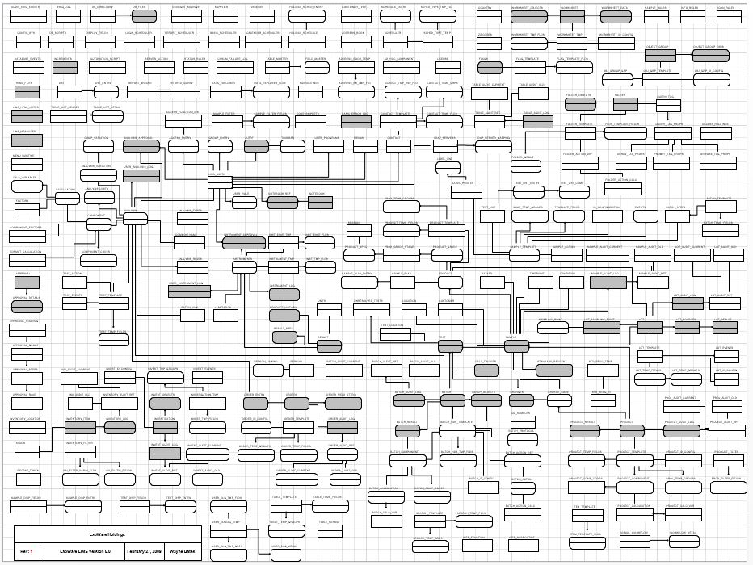
52 | 7.2.2.3 | Core Design Flexibility: The database schema design provided by the laboratory informatics vendor should be well documented and sufficiently flexible to accommodate common laboratory informatics solution administration and configuration tasks, such as the maintenance of users, modification of workflows, reference information in lookup tables, and the potential addition of user-defined fields | Comply | Data base Schema is well documented for any LabWare LIMS system.
53 | 7.2.2.4 | Data Replication: The function of data replication is critical to protecting and maintaining information in the laboratory informatics system. Laboratories that utilize electronic records should ensure the protection of information captured within the system. Typical snap shot or incremental backup processes run nightly but provide limited protection between backup intervals. Data replication tools within the database layer (and sometimes between the storage layers [storage area networks (SANs)] provide added protection against data loss by replicating all transactions between data centers or remote servers. | Comply | LabWare LIMS is compatible with all widely used data replication software such as Oracle Rack and Microsoft SQL Cluster
54 | 7.2.2.5 | Multiple Environments (development, quality (test) and production platforms) | Comply | LabWare LIMS is fully supported three tier architecture
55 | 7.2.2.6 | Maintenance: The database platform should allow the database administrator to fine-tune the performance and security of the database with functions such as indexing, table space management, and process schedulers. | Comply | All widely used database comes with data base administrator tool to fine tune the performance of the database. | 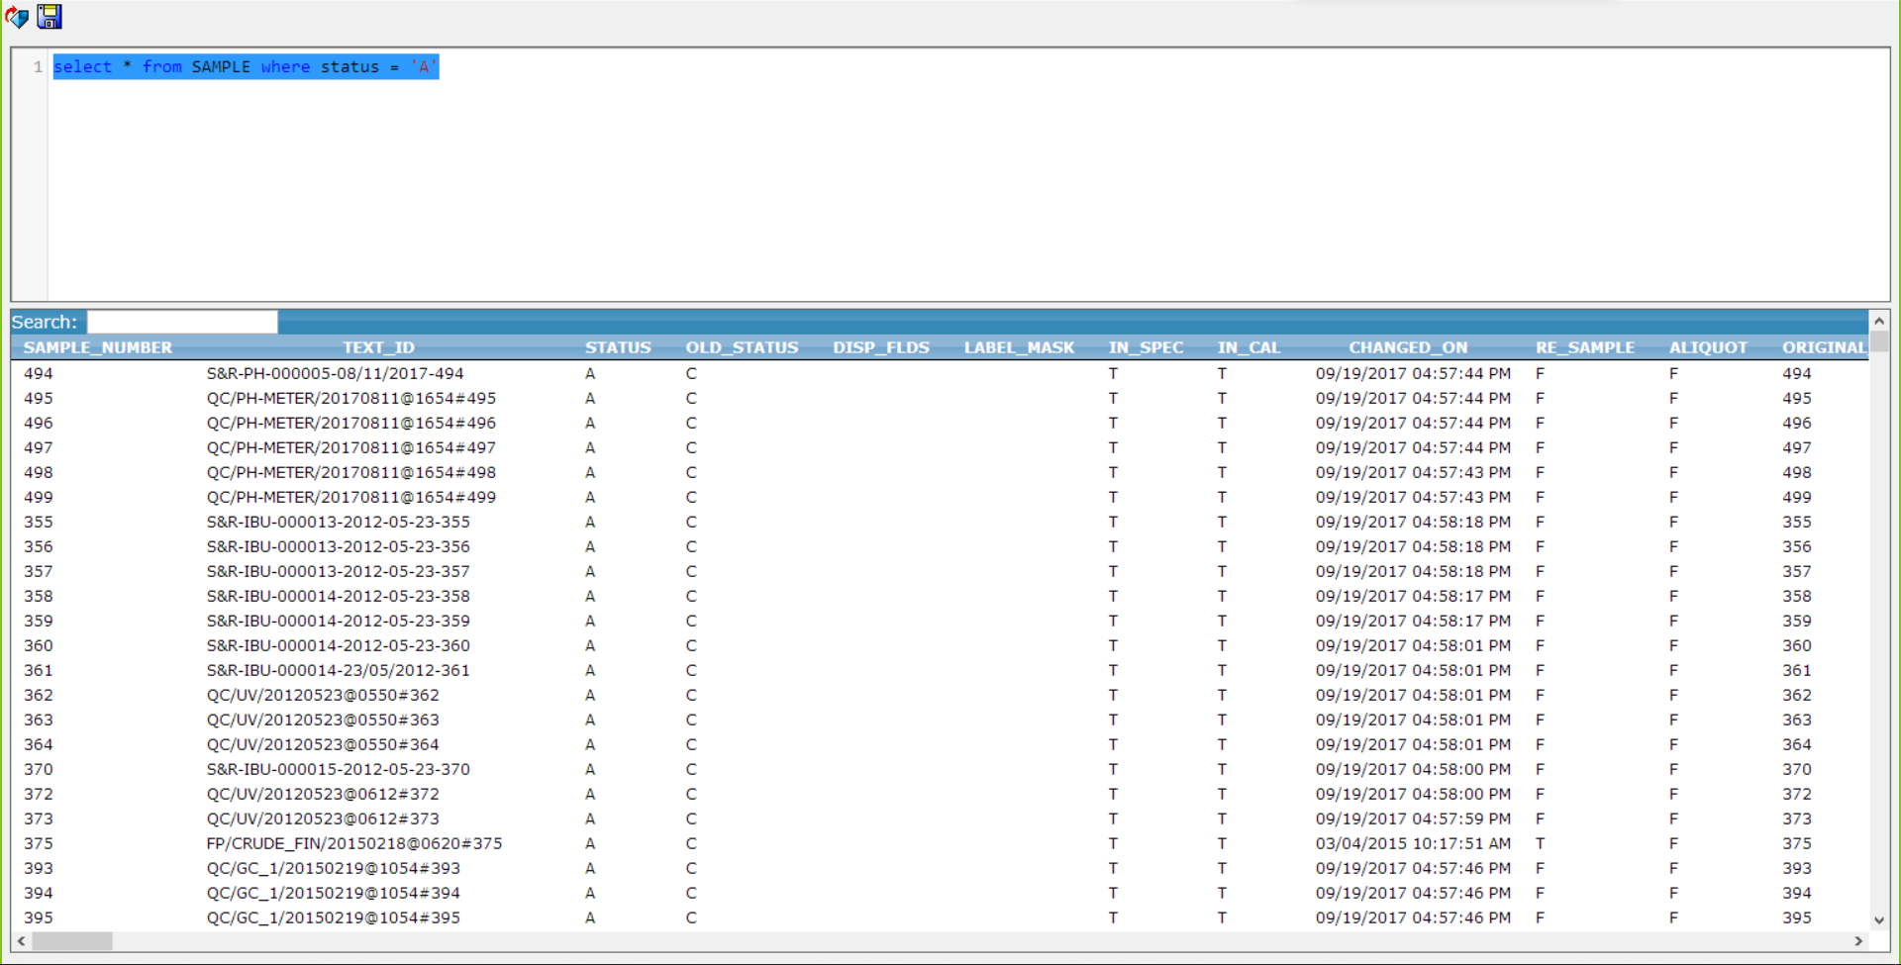
56 | 7.2.2.7 | Personnel: In situations in which some or all of the laboratory informatics system will be managed and maintained in-house or by parties other than the application vendor, consideration should be given to the availability of technical personnel with skill sets in the technologies utilized by the system. | Comply | LabWare LIMS has well defined training courses/programs for the person who is responsible to maintain the LabWare LIMS
57 | 7.2.2.8 | Backup and Recovery: The database platform should support industry best practices for backup and recovery in an efficient and expedient manner. This function should either be included in the database toolkit or supported comprehensively by third-party tools | Comply | LabWare LIMS is compatible with all widely used database backup utilities and software.
 |  | 7.3 Laboratory Informatics Application Platform
58 | 7.3.1 | General Requirements: Laboratory informatics systems are developed on a wide variety of application platforms, and many standards and programming languages are used which provide adequate features and functions. It is, therefore, important that the vendor provide detailed documentation on the technical capabilities and design of the application architecture. | Comply | LabWare LIMS architecture is well documented. Programing language used for configuration of the system which is well documented and available for the customers. These documents are regularly updated and shared with all the customers. | 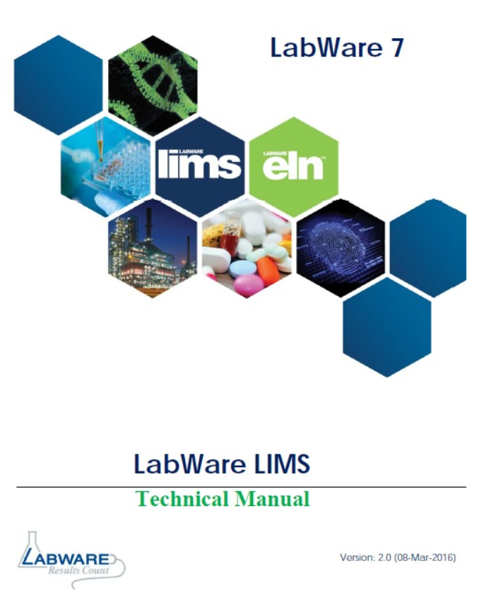
 |  | 7.3.2 Key Considerations | Comply
59 | 7.3.2.1 | Modularity: The application’s functionality at the architecture level should be clearly separated into logical modules with clearly defined standard interfaces between modules. These modules can be defined based upon feature groupings, layering of the application architecture (for example, presentation, business logical, data interfaces) or both. | Comply | LabWare LIMS has more than 300 + modules available to be part of LIMS system. | 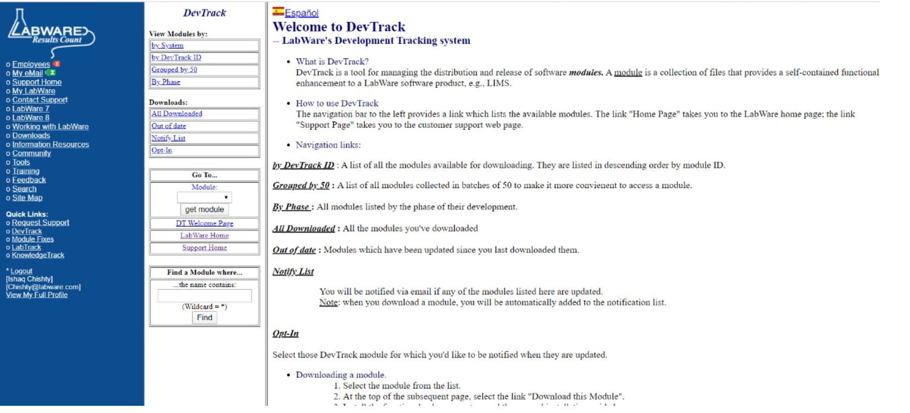
60 | 7.3.2.2 | Configuration Tools: The laboratory informatics solution should provide an extensive administrative interface so that end users can configure the application without programming or direct database intervention. These configuration tools should be evaluated for the ability to add, remove, and change design and form elements on the screen to create productive forms and workflows with minimal programming. | Comply | LabWare LIMS has the standard Visual Workflow designer which has the concept of drag and drop. If more workout needed by customer to fulfill their requirement, they use LIMS BASIC programming language of LabWare LIMS for the configuration. User forms can also be build by the help of User Dialogues in LabWare LIMS. | 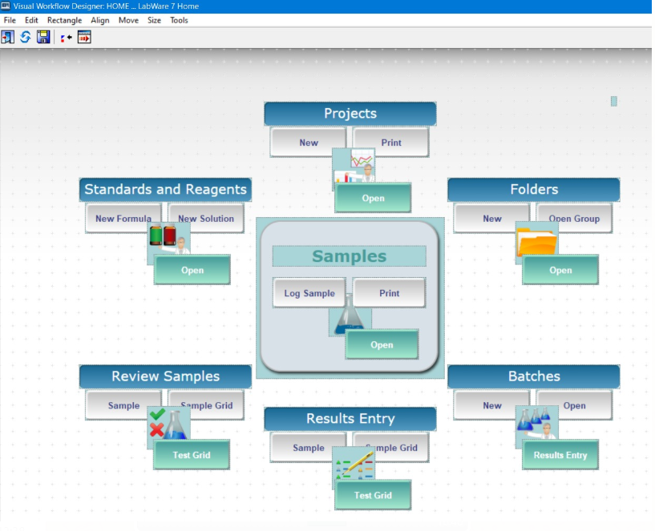 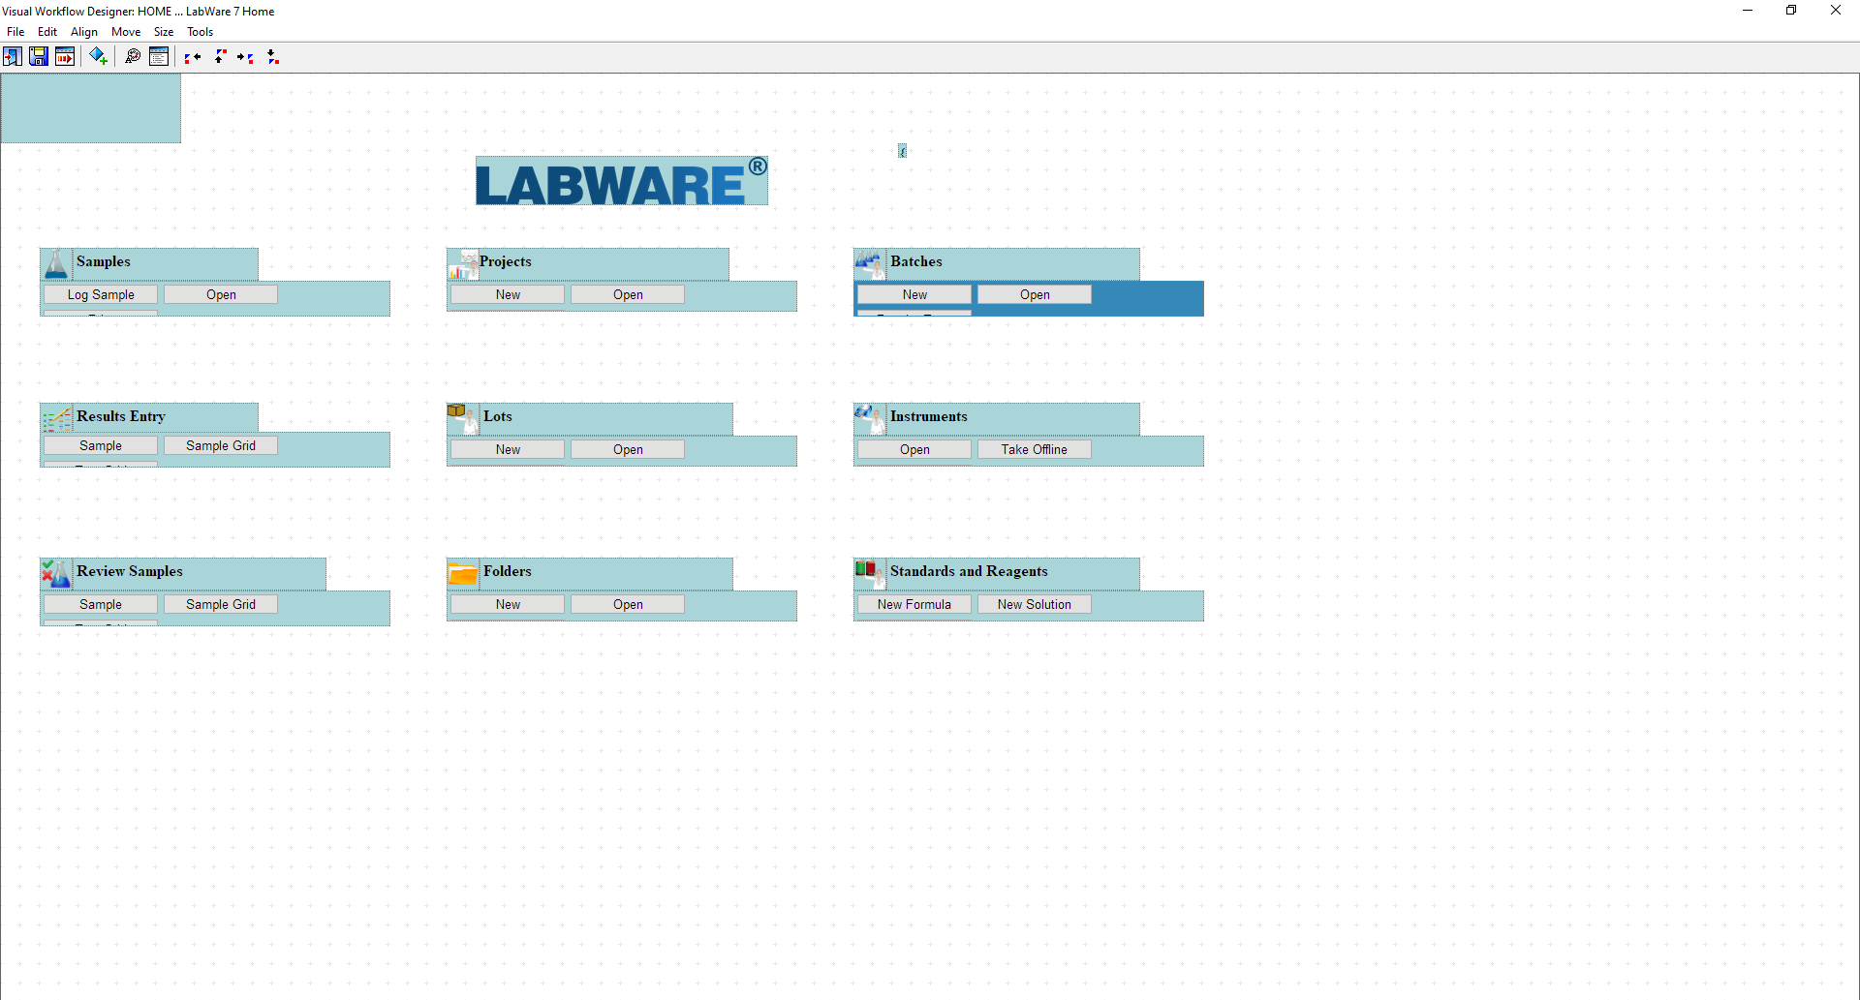
61 | 7.3.2.3 | Laboratory Informatics Solution Software Development Kits (SDK): The laboratory informatics solution should provide a programming tool such as a software development kit to address situations where the user requirements cannot be met by the application. The programming tools allow your IS staff to extend the functionality of the application to meet business requirements. The use of industry standard programming tools by laboratory informatics solutions increases the availability of qualified resources to implement and support the system. | Comply | LabWare LIMS provide a strong programming tools within its application which is LIMS BASIC scripting language, LabWare create Dot NET extensions, LabWare allows CSS and JS for the Visual Workflows Management. | 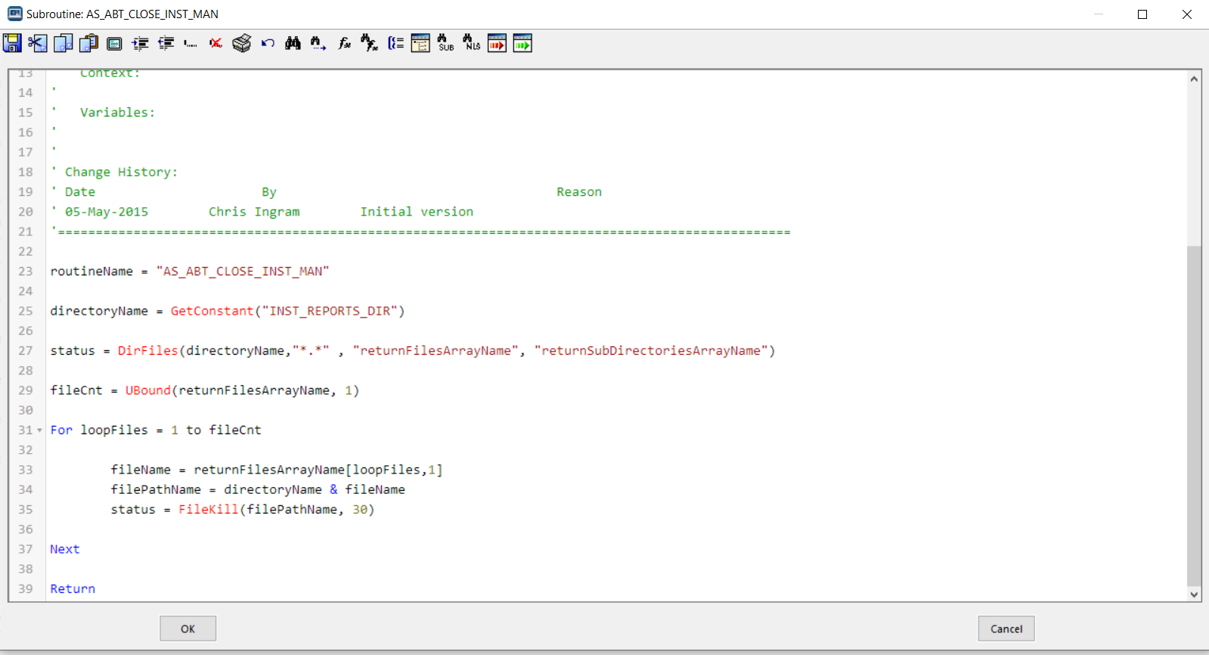
62 | 7.3.2.4 | Laboratory Informatics Application Data Structure: The laboratory informatics solution and its underlying technology should closely match your organization’s laboratory workflow requirements and information structure. The application and database architecture of a system should be assessed on its flexibility to configure, customize and integrate the system to fit the organization’s needs | Comply | LabWare LIMS application data structure and hierarchy can be configure by Data Grouping and Security Grouping
63 | 7.3.2.5 | Performance Design and Data Integrity: The application architecture should be designed to use the operating system and hardware platform specified as efficiently as possible. This includes evaluation of concurrent usage, peak usage, and the ability for individual end users to multi-task (that is, open multiple screens or application functions in the same user session) without losing work. | Comply | LabWare LIMS installations are well proven and range in size from small systems in a single lab to huge multi-site, multi-national systems with hundreds of users. They are often integrated with ERP and Process Systems etc. in a total business solution
64 | 7.3.2.6 | Personnel: In situations in which part or all of the system will be managed and maintained in-house or by parties other than the application vendor, consideration should be given to the availability of technical personnel with skill sets in the technologies utilized by the application. Knowledge of supported operating system, programming languages, and design techniques used to customize and integrate with the application are important. | Comply | Customer should have trained personal on OS programming languages and designing techniques, LabWare LIMS has multiple training courses which customer can use to update the skill sets of their personals to maintain the system
65 | 7.3.2.7 | Application Programming Interfaces (API): If customization or integration of the system is anticipated, the vendor should be able to provide a well-documented API for interfacing with the application, with a clear model for interfacing with the application’s functions at a granular level. | Comply | The web services published by LIMS are dynamic, and are defined by LIMS configuration. Once deployed, these web services may be consumed by any remote application, written in a language of the user’s choice. This web service mechanism allows total flexibility of the functionality that can be made available, as the capabilities are determined by LIMS Basic functions in user-written LIMS subroutines. LabWare LIMS supports both OPC Client and OPC Server capabilities. | 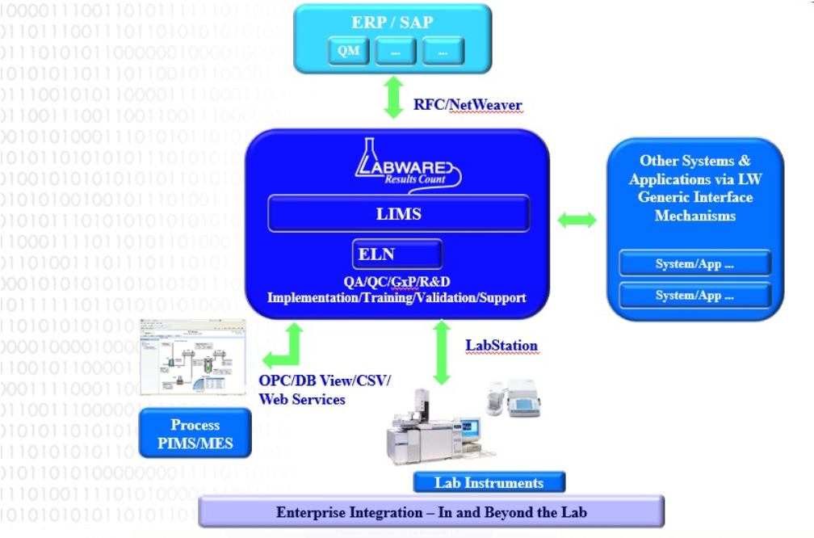
66 | 7.3.2.8 | Integration Standards: The laboratory informatics system should provide a means to integrate and exchange data based on common methods, such as the XML-based SOAP protocol and/or based on the integration methods supported by applications that commonly integrate with the laboratory informatics solution, such as document management systems, manufacturing execution systems and ERP systems | Comply | LabWare LIMS Supported below integration standard: XML SOAP Protocol LabWare LIMS exposes its functionality in over 300 Web Services MES OPC server Most popular ERP i.e. SAP
 |  | 7.4 Integration of Laboratory Informatics Solutions
67 | 7.4.2 | Common Laboratory Informatics Integration Activities: Examples of integrating laboratory informatics solutions with external systems include: 7.4.2.1 Document management systems (standard operating procedures, chain of custody management, reports, and so forth), 7.4.2.2 Training and e-Learning systems, 7.4.2.3 Enterprise Resource Planning systems (ERP), 7.4.2.4 Laboratory equipment inventory and calibration systems, 7.4.2.5 Chemical inventory systems, 7.4.2.6 Manufacturing Execution Systems (MES), 7.4.2.7 Business support systems, 7.4.2.8 Laboratory support systems, 7.4.2.9 Web portals, 7.4.2.10 Data warehouses, and 7.4.2.11 Field data capture systems. | Comply | All mentioned activities can be covered by using LabWare Modules available in Labware LIMS system | 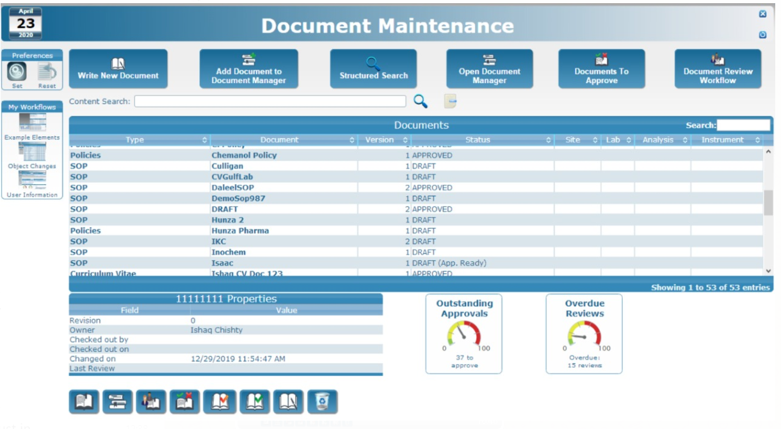 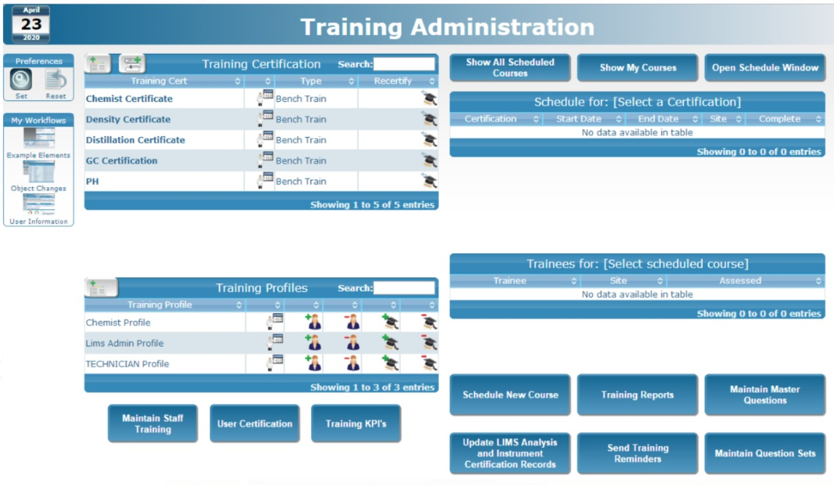 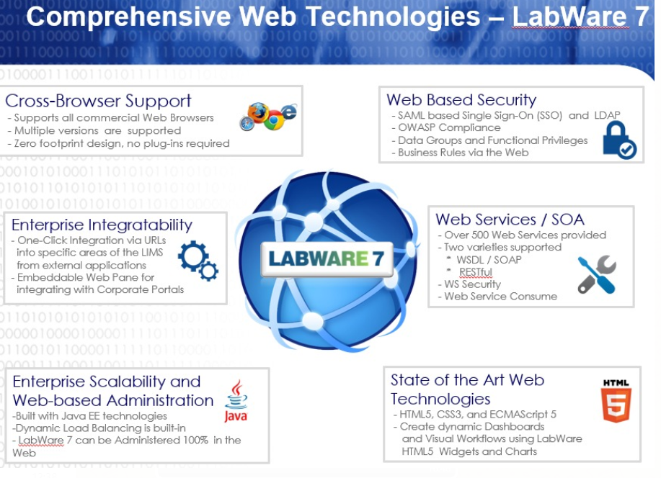 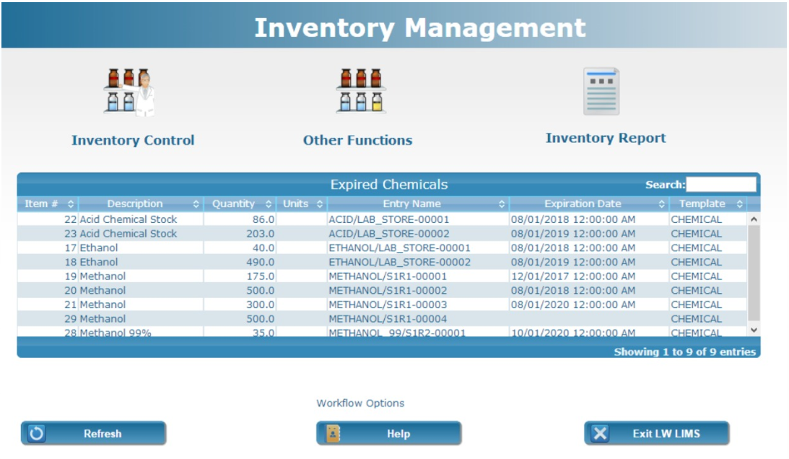 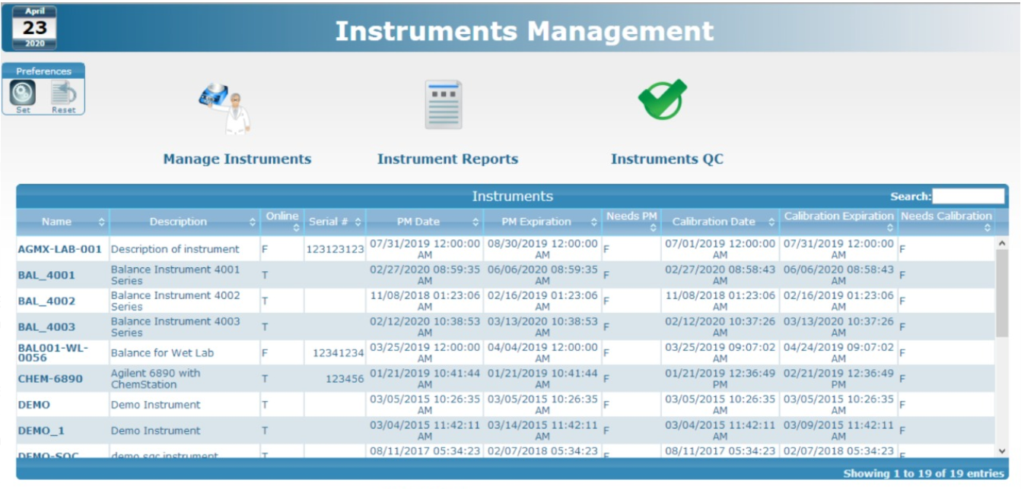
68 | 7.4.3 | Business Considerations for Integrating Laboratory Informatics Systems with Other Applications | Comply | LIMS interface with SAP, MES, Pi/historian any many other application. LabWare LIMS complies to all industry standard interface protocols.
 |  | 7.5 Enterprise Computing Architecture
69 | 7.5.1 | Multi-Site Deployments (Globalization or Corporate Multi Site Deployment) | Comply | LabWare LIMS works on several level like; enterprise level, master data can be in one group, data groups and security groups are separate for each user from different sites or region | 
70 | 7.5.2 | Content Localization | Comply | LabWare LIMS has a standard feature called National Language Support (NLS), which allows any object of the presentation layer (User Interface) to be modified according to the customer specific needs. This feature allows the system to support specific terminology, industry or other language support.
71 | 7.5.2.1 | Language localization is a translation of the language in the user interface for the local user. It is generally a configurable item in global deployments, usually driven by database language content, configuration files, and/or an XMLbased user interface framework. | Comply | Standard National Language Support (NLS) in Labware LIMS system |  
72 | 7.5.2.2 | Character sets refer to the set of characters employed to express the selected language in the user interface. The choice of character sets is particularly important when considering user interface customizations. Unicode character sets are often used to address specifically local language issues without impact to the rendering of the user interface | Comply | User table in LIMS
73 | 7.5.2.3 | Time zone refers to the specific local time zone used by the system for time stamps and audit trail purposes. It is especially important to be mindful of time zone configurability in a system when storing, comparing, or aggregating data across multiple time zones, such that the audit trail can be preserved. Expressing the time as an offset of Coordinated Universal Time (UTC) for each time zone unifies this information (for example, U.S. Eastern Standard Time is UTC–5 h) is commonly used within laboratory informatics implementations. | Comply | Standard feature of Labware LIMS | 
74 | 7.5.3 | Regulatory and Functional Issues: Globalization issues include specific functional needs across regulatory jurisdictions and other functional issues derived from the local laboratory environment. These issues can either be handled through configuration (for example, FDA 21 CFR Part 11 support) or customization. | Comply | LabWare supports all major national and international standards such as GxP, FDA 21 CFR Part 11 and ISO 17025 |   
75 | 7.5.4 | User Security: (1)Audit Trail (2)Single Sign-on (3) Session Timeout (4) Password Policy (5) Regulatory Compliance and Electronic Signatures | Comply | Standard features of Labware LIMS
76 | 7.5.4.2 | Group Security: (1) User Assignment (2) Query Assignment (3) Functional Assignment (4) Audit Trail | Comply | Standard features of Labware LIMS | 
77 | 7.5.4.3 | Enterprise Security: (1) Enterprise Directory or Network Security (2) Integration with Physical Security Systems and Public Key Infrastructures | Comply | Labware complies with all the enterprise security requirements
78 | 7.5.5 | Infrastructure: The network and hardware infrastructure required by a laboratory informatics system varies widely by the particular software and feature package chosen, but it is especially important to understand what network and equipment resources will be needed depending upon your chosen deployment method (central, regional, distributed). | Comply | Labware has standard hardware and infrastructure requirement document. LabWare LIMS works with all the mentioned cenarios (central, regional, distributed)
79 | 7.6 | Exchange of Data between Laboratory Informatics Systems and Enterprise Resource Planning (ERP Systems) | Comply | Labware LIMs system has the ability to transfer data to any ERP system based on the below methods: 1- Database to Database 2- Web service 3- XML file transfer, etc. LabWare LIMS complies to all industry standard protocols for interfacing with any ERP system
80 | 7.6.1 | Integration Points between Laboratory Informatics Systems and ERP | Comply | Labware LIMs system has the ability to transfer data to any ERP system based on the below methods: 1- Database to Database 2- Web service 3- XML file transfer, etc. LabWare LIMS complies to all industry standard protocols for interfacing with any ERP system
81 | 7.6.2 | Integration Options: Approaches to facilitate laboratory informatics systems integration with other systems range from the creation of customized interfaces to vendor provided configurable solutions. An array of technologies and techniques exist to help facilitate integration. System vendors may provide specific certified interfaces for ERP integration, which removes much of the burden of custom development and costly maintenance from the implementer. | Comply | Labware LIMs system has the ability to transfer data to any ERP system based on the below methods: 1- Database to Database 2- Web service 3- XML file transfer, etc. LabWare LIMS complies to all industry standard protocols for interfacing with any ERP system
 |  | 7.7 Instrument Integration:
82 | 7.7.1 | Integration of laboratory informatics systems with instruments requires interfacing two moderately complex or highly complex systems. Interfaces between the laboratory informatics system and laboratory instruments [such as balances, pH meters, spectrophotometers, chromatography data systems (CDS)] typically involve interfacing the system directly to the instrument or to another data system controlling the instrument hardware such as CDS. The CDS is typically addressed as a specific category because of its inherent complexity. | Comply | Labware LIMS has a module called Lab Station which is used to integrate any serial or PC driven instrument. | 
83 | 7.7.2 | Because of the inherent complexity of managing instrument sample test sequences (in some cases, an auto sampler) in both the laboratory informatics system and the laboratory instrument data system, it is highly desirable that the laboratory informatics system down load a test sequence to the laboratory instrument data systems via an interface to assure accurate exchange of information. | Comply | Can be achieved through configuration in LIMS system |  
84 | 7.7.3 | The laboratory instrument data system performs the measurement and transfers back to the laboratory informatics system the results for further processing. The laboratory instrument test result (determination, measurement) is transferred via the laboratory informatics system-instrument interface. Alternatively, the laboratory instrument data system may pull from the pertinent sample identifiers, perform the necessary measurements, and then push back the results to the laboratory informatics system. | Comply | Can be achieved through configuration in LIMS system
85 | 7.7.4 | In many cases, it is highly desirable that the result transfer from the data system to the laboratory informatics system be done in real time such that further result processing (cross-technique calculations, approvals, reporting, and so forth) be done as soon as the measurements have been performed. | Comply | Can be achieved through configuration in LIMS system
86 | 7.7.5 | Choosing which system will perform automated calculations should be guided by the functionality each system (laboratory informatics system versus laboratory instrument data system) provides. For example, the CDS typically includes calculations for system suitability, peak integration, and calibration curves while a LIMS performs cross-technique calculations, correcting for moisture and other factors, and results trending across multiple techniques and time. Typical approaches for LIMS-CDS calculations include the use of ratios where the CDS reports a sample response over a standard response and the LIMS is used to calculate the final result and compare it to specifications and further reporting. | Comply | Can be achieved through configuration in LIMS system
87 | 7.7.6 | The interface between the laboratory informatics system and the instrument ideally should not require the creation of an intermediate file as files represent security risks or an increase to overall system complexity to mitigate this risk. The XML data standard represents the industry standard as the information format to exchange structured data between two systems. | Comply | Standard features of Labware LIMS
 |  | 7.8 Industry Data Exchange Technology
88 | 7.8.1 | In this age of increased electronic communication, it is common for data users to request and report laboratory data in a standardized electronic format also known as an electronic data deliverable (EDD). There are many types of EDD formats and potentially multiple versions within a format. Using EDDs saves time by sending data directly from a laboratory informatics system such as LIMS | Comply | LabWare LIMS use third party tool for reporting i.e. Crystal Reports and LabWare LIMS has the ability to export or import reports in PDF and Excel formats. Data can be electronically exported or imported in CVS, .txt, xml through LabWare LIMS webservices LabWare has a built in schedular tool which can be use afor any EDD requirement |  
89 | 7.8.2 | Both public and private laboratories together can be viewed as nodes to a large network of laboratories that share data and can work interoperable to integrate their collective data into a single data feed. This data originates at a laboratory informatics system. | Comply | labware LIMS is design based on all major national and international standards such as GxP, FDA 21 CFR Part 11, ISO 9001 and ISO 17025
90 | 7.8.3 | Utilization of standards for laboratory informatics implementations is an effective way to reduce implementation costs, improve networking capability of both public and private laboratories, and achieve efficiency of laboratory informatics interoperability. | Comply | Public and Private laboratories can exchange data by having standard interfaces such as webservices. This exchange of data can be restricted and control based on the given functional privileges. LabWare LIMS provides a means of parsing HL7 messages which help to communicate/exchange the data between multiple systems.
91 | 7.8.4 | In cases in which data is exchanged between a large diverse set of public and private laboratories where patient information or other metadata and demographic data is also exchanged, the data standards for message and content structure such as Health Level 7 (HL7)13 have been developed. | Comply | Public and Private laboratories can exchange data by having standard interfaces such as webservices. This exchange of data can be restricted and control based on the given functional privileges. LabWare LIMS provides a means of parsing HL7 messages which help to communicate/exchange the data between multiple systems. | 
92 | 7.8.5 | Electronic Laboratory Reporting (ELR)16 is the electronic transmission from laboratories to public health of laboratory reports which identify reportable conditions. ELR has many benefits, including improved timeliness, reduction of manual data entry errors, and reports that are more complete. Electronic laboratory reporting has been promoted as a public health priority for the past several years and its inclusion as a meaningful use objective for public health serves as a catalyst to accelerate its adoption. | Comply | LabWare provides support for the HL7 standard (Health Level seven) is one of the several standards developing organization accredited by American National Standards Institute (ANSI) which applies to the health care area. HL7 is messaging protocol aimed a providing a means of communication between many diverse systems. LabWare LIMS provides a means of parsing HL7 messages.
93 | 7.8.5.1 | Objective: Capability to submit electronic data on reportable (as required by state or local law) laboratory results to Public Hospitals (PH) agencies and actual submission in accordance with applicable law and practice | Comply | LabWare provides support for the HL7 standard (Health Level seven) is one of the several standards developing organization accredited by American National Standards Institute (ANSI) which applies to the health care area. HL7 is messaging protocol aimed a providing a means of communication between many diverse systems. LabWare LIMS provides a means of parsing HL7 messages.
94 | 7.8.5.2 | Measure: Performed at least one test of EHR’s technology’s capacity to provide results electronic submission of reportable laboratory results to public health agencies and follow–up submission if the test is successful | Comply | LabWare LIMS provide EHR to public or private health agencies Follow ups can be used by below methods: Scheduled Email triggered by LIMS Integration
 | 7.9 | Enterprise Application Integration and Middleware
96 | 7.9.1 | The middleware platform can consist of standards based integration broker software. An integration broker, built primarily on messaging middleware, provides an end-to-end integration platform to handle components of data exchange between laboratories and data consumers. Vocabulary, messaging, and transport are automated across the extended interprise, which includes the data exchange partners. It provides wide-ranging, prebuilt application adapters, and bidirectional connectivity to multiple applications, including packaged and mainframe applications. | Comply | LabWare provides bidirectional communication using its Webservices to interconnect many business applications such as SAP, Oracle EBS, JDE, etc. Examples include BabelFish, eGate, IBM’s Enterprise Service Bus (ESB) and MQ, Microsoft BizTalk, Oracle Fusion, TIBCO, and webMethods. LabWare has the standard feature/Module of Message Engine. The Message Engine Solution is a framework that will allow to quickly build interfaces to other systems. It aims to add a mechanism to a LabWare LIMS system to process “messages” from external systems.
97 | 7.10 | Digital Content: A wide array of digital media (images, site and corporate SOPs, reports from miscellaneous instruments, user training records, supplier reports, and so forth) are stored in a secure way in the laboratory. Storage and management of these supporting documents and electronic records are typically in external SDMS or data archive systems with links to the laboratory informatics system. Access to these digital content sources can be accomplished through a wide range of technical solutions (enterprise data share, content management system, and so forth). | Comply | LabWare LIMS has standard module called Document Management. Document Manager is used to record all types of document within LIMS itself, supported by different formats like pdf, .xlsx and word. Supplier Management and Training records of the particular employee can be recorded within the LIMS.
 | 7.11 | Electronic Laboratory Notebook (ELN) Integration
98 | 7.12 | Reporting and Business Intelligence: Many laboratory informatics solutions include the ability to generate simple reports. Integration with other report generation applications can provide additional features such as quality control charts, data mining, business performance management, and other statistical analysis. | Comply | Standard feature of Labware ELN |   
99 | 7.13 | Laboratory informatics solutions can be deployed on a computing infrastructure installed and supported entirely by a company’s internal resources. Alternatively, companies can chose to use computing services purchased from external suppliers and delivered over the public Internet or a private network. There are many types of public cloud computing services available including: 7.13.1 Infrastructure as a service (IaaS), 7.13.2 Platform as a service (PaaS), 7.13.3 Software as a service (SaaS), 7.13.4 Storage as a service (STaaS), 7.13.5 Security as a service (SECaaS), 7.13.6 Data as a service (DaaS), 7.13.7 Test environment as a service (TEaaS), 7.13.8 Desktop as a service (DaaS), and 7.13.9 API as a service (APIaaS). | Comply | Labware LIMS supports deployment cloud computing infrastructure
100 | 7.14 | The benefits of using a cloud laboratory informatics service include lower start-up costs with on-going expenses rather than upfront capital purchases, flexibility in the number of licenses deployed, and guaranteed service levels for the application. Some of the negatives of a cloud-based laboratory informatics service are more complicated compliance issues, requirements to follow the service provider with upgrades (for example, web browser versions, desktop applications, operating systems, database environments), user and data security considerations, more difficult to integrate with other systems, and potentially higher costs of ownership over the system lifetime. | Comply | LabWare LIMS is cloud based for partial solutions in its Pharma industry LabWare provides a in house application which is client server based architecture in response to negative of cloud based system
 |  | 8. Laboratory Informatics System Life Cycle
101 | 8.1.1 | Laboratory Informatics Life Cycle Phases | Comply | Labware LIMS uses GOLD (Goal Oriented LIMS Delivery) methodology which comprises of all the phases of project lifecycle | 
102 | 8.2 | Key Phases in the Laboratory Informatics System Life | Comply
103 | 8.2.4 | Quality Plan | Comply
104 | 8.3 | Phase 2—Requirements Analysis | Comply
105 | 8.4 | Phase 3—System Design | Comply
106 | 8.5 | Phase 4—Build/Configure | Comply
107 | 8.6 | Phase 5—Test/Commission | Comply
108 | 8.7 | Phase 6—Operation and Maintenance | Comply
109 | 8.8 | Phase 7—System Retirement (Replacement, Archive): | Comply
 |  | 9. Lean Laboratory and Continuous Improvement Concepts within Laboratory Informatics
110 | 9.2 | Workload Leveling and Flow | Comply | LabWare provides several methods to control flow of information which based on Management Dashboards, Integration, Decision Making System, KPI's and Data Explorer |  
111 | 9.3 | Visual Management | Comply | LabWare LIMS has standard Module which is known as Visual workflows management | 
112 | 9.4 | Continuous Process Improvement | Comply | LabWare LIMS provides its own standard module for controlling or which helps in improvement of the process known as Incident Management & Change Control (IMCC). Whereas availability of Dashboard, KPIs and Investigation Manager can also be a part of process improvement | 
113 | 9.5 | Waste Reduction | Comply | LabWare LIMS has Standard modules and functionalities that reduces the amount of effort and time for implementation of a project

